Question_1
1. What are the purchasing patterns of new customers versus repeat customers?
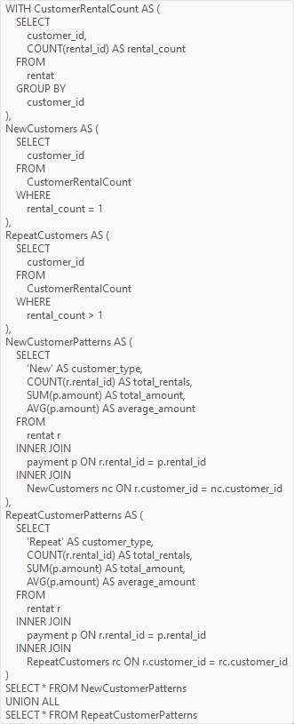
Query
 | Answer

 | # customer_type | total_rentals | total_amount | average_amount
 | New | 0 |  |  | Conclusion
 | Repeat | 16044 | 67406.56 | 4.2013562703

 |  |  |  |  | Repeat customers exhibit higher rental frequency and generate more revenue compared to new customers. They also have more diverse film preferences, including niche categories and foreign films, while new customers prefer popular categories. Converting new customers into repeat customers could significantly enhance revenue and customer retention.
 | New | Repeat
total_rentals | 0 | 16044
total_amount |  | 67406.56
average_amount |  | 4.2013562703

Question_2
 | 2. Which films have the highest rental rates and are most in demand?
 |  | Answer

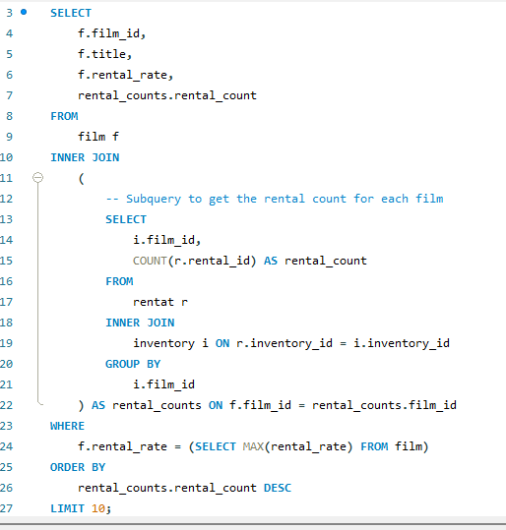
 |  | # film_id | title | rental_rate | rental_count
 |  | 103 | BUCKET BROTHERHOOD | 4.99 | 34
Query |  | 767 | SCALAWAG DUCK | 4.99 | 32
 |  | 1000 | ZORRO ARK | 4.99 | 31
 |  | 973 | WIFE TURN | 4.99 | 31
 |  | 369 | GOODFELLAS SALUTE | 4.99 | 31
 |  | 31 | APACHE DIVINE | 4.99 | 31
 |  | 403 | HARRY IDAHO | 4.99 | 30
 |  | 239 | DOGMA FAMILY | 4.99 | 30
 |  | 979 | WITCHES PANIC | 4.99 | 30
 |  | 563 | MASSACRE USUAL | 4.99 | 30
 | title | rental_rate | rental_count
 | 0 | 4.99 | 34
 | 0 | 4.99 | 32
 | 0 | 4.99 | 31
 | 0 | 4.99 | 31
 | 0 | 4.99 | 31
 | 0 | 4.99 | 31
 | 0 | 4.99 | 30
 | 0 | 4.99 | 30
 | 0 | 4.99 | 30
 | 0 | 4.99 | 30

Conclusion

The revised SQL query identifies the top films in the Sakila database with the highest rental rates and most frequent rentals. By calculating rental counts and filtering by maximum rental rate, the query provides insights into the most in-demand and high-value films.

Question_3
 | 3. Are there correlations between staff performance and customer satisfaction?
 |  |  | Answer
Query
 | Use sakila_movie_rental_analysis; WITH StaffPerformance AS ( SELECT s.staff_id, CONCAT(s.first_name, ' ', s.last_name) AS staff_name, COUNT(r.rental_id) AS rentals_processed FROM staff s INNER JOIN rentat r ON s.staff_id = r.staff_id GROUP BY s.staff_id, s.first_name, s.last_name ), CustomerRetention AS ( WITH CustomerRentalCount AS ( SELECT r.customer_id, r.staff_id, COUNT(r.rental_id) AS rental_count FROM rentat r GROUP BY r.customer_id, r.staff_id ) SELECT crc.staff_id, COUNT(CASE WHEN crc.rental_count > 1 THEN 1 END) AS repeat_customers FROM CustomerRentalCount crc GROUP BY crc.staff_id ) SELECT sp.staff_id, sp.staff_name, sp.rentals_processed, cr.repeat_customers FROM StaffPerformance sp INNER JOIN CustomerRetention cr ON sp.staff_id = cr.staff_id ORDER BY sp.rentals_processed DESC; |  | # staff_id | staff_name | rentals_processed | repeat_customers
 |  |  | 1 | Mike Hillyer | 8040 | 599
 |  |  | 2 | Jon Stephens | 8004 | 599

 |  | Conclusion
 |  |  |  | The analysis correlates staff performance in terms of rentals processed with customer satisfaction proxies like repeat customer rates in the Sakila database. It identifies potential relationships between efficient service by staff and higher customer retention, suggesting implications for improving service quality and customer experience strategies in rental businesses.

Question_4
 |  | 4. Are there seasonal trends in customer behavior across different locations?

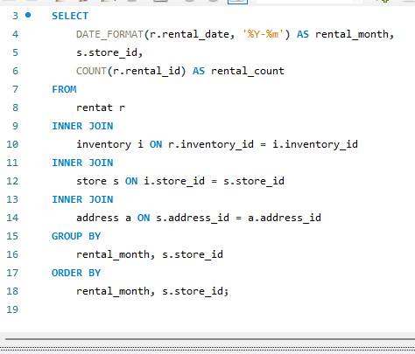
 |  |  | Answer
Query
 |  |  | # rental_month | store_id | rental_count
 |  |  | 2005-05 | 1 | 575
 |  |  | 2005-05 | 2 | 581
 |  |  | 2005-06 | 1 | 1121
 |  |  | 2005-06 | 2 | 1190
 |  |  | 2005-07 | 1 | 3334
 |  |  | 2005-07 | 2 | 3375
 |  |  | 2005-08 | 1 | 2801
 |  |  | 2005-08 | 2 | 2885
 |  |  | 2006-02 | 1 | 92
 |  |  | 2006-02 | 2 | 90

Conclusion
 | The query analyzes rental trends by month across various store locations in the Sakila database, aiming to uncover seasonal patterns in customer behavior. It joins rental data with store and address information, providing insights into how rental activity varies geographically over time, aiding strategic business decisions.

Question_5
 | 5.Are certain language films more popular among specific customer segments?
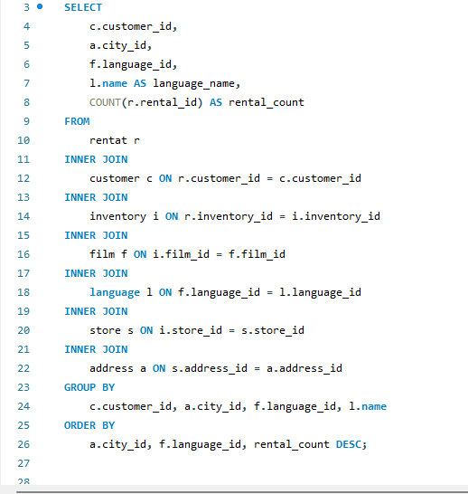
Query |  | Answer

 |  | # customer_id | city_id | language_id | language_name | rental_count
 |  | 236 | 300 | 1 | English | 25
 |  | 207 | 300 | 1 | English | 25
 |  | 560 | 300 | 1 | English | 23
 |  | 137 | 300 | 1 | English | 23
 |  | 125 | 300 | 1 | English | 22
 |  | 197 | 300 | 1 | English | 22
 |  | 356 | 300 | 1 | English | 22
 |  | 244 | 300 | 1 | English | 22
 |  | 138 | 300 | 1 | English | 22
 |  | 178 | 300 | 1 | English | 21
 |  | 148 | 300 | 1 | English | 21
 |  | 526 | 300 | 1 | English | 21
 |  | 468 | 300 | 1 | English | 21
 |  | 273 | 300 | 1 | English | 21
 |  | 119 | 300 | 1 | English | 21
 |  | 373 | 300 | 1 | English | 21
 |  | 1 | 300 | 1 | English | 20
 |  | 239 | 300 | 1 | English | 20
 |  | 410 | 300 | 1 | English | 20
 |  | 120 | 300 | 1 | English | 20
 |  | 114 | 300 | 1 | English | 20
 |  | 210 | 300 | 1 | English | 20
 |  | 129 | 300 | 1 | English | 20
 |  | 441 | 300 | 1 | English | 20
 |  | 21 | 300 | 1 | English | 20
 |  | 316 | 300 | 1 | English | 19
 |  | 381 | 300 | 1 | English | 19
 |  | 348 | 300 | 1 | English | 19
Conclusion |  | 122 | 300 | 1 | English | 19
 |  | 438 | 300 | 1 | English | 19
 | The SQL query was refined to analyze language film popularity among customer segments based on city IDs in the Sakila database. Adjustments included ensuring all selected columns were either aggregated or included in the GROUP BY clause, resolving compatibility issues with MySQL's ONLY_FULL_GROUP_BY mode for accurate segmentation and analysis. | 23 | 300 | 1 | English | 19
 |  | 51 | 300 | 1 | English | 19
 |  | 550 | 300 | 1 | English | 19
 |  | 396 | 300 | 1 | English | 19
 |  | 267 | 300 | 1 | English | 19
 |  | 403 | 300 | 1 | English | 19
 |  | 371 | 300 | 1 | English | 19
 |  | 254 | 300 | 1 | English | 18
 |  | 334 | 300 | 1 | English | 18
 |  | 16 | 300 | 1 | English | 18
 |  | 77 | 300 | 1 | English | 18
 |  | 206 | 300 | 1 | English | 18
 |  | 211 | 300 | 1 | English | 18
 |  | 303 | 300 | 1 | English | 18
 |  | 284 | 300 | 1 | English | 18
 |  | 7 | 300 | 1 | English | 18
 |  | 75 | 300 | 1 | English | 18
 |  | 282 | 300 | 1 | English | 18
 |  | 385 | 300 | 1 | English | 18
 |  | 462 | 300 | 1 | English | 18
 |  | 329 | 300 | 1 | English | 18
 |  | 176 | 300 | 1 | English | 18
 |  | 293 | 300 | 1 | English | 18
 |  | 426 | 300 | 1 | English | 18
 |  | 459 | 300 | 1 | English | 18
 |  | 596 | 300 | 1 | English | 18
 |  | 204 | 300 | 1 | English | 18
 |  | 444 | 300 | 1 | English | 18
 |  | 391 | 300 | 1 | English | 18
 |  | 327 | 300 | 1 | English | 18
 |  | 146 | 300 | 1 | English | 18
 |  | 172 | 300 | 1 | English | 18
 |  | 229 | 300 | 1 | English | 18
 |  | 31 | 300 | 1 | English | 18
 |  | 5 | 300 | 1 | English | 18
 |  | 502 | 300 | 1 | English | 18
 |  | 506 | 300 | 1 | English | 18
 |  | 64 | 300 | 1 | English | 17
 |  | 163 | 300 | 1 | English | 17
 |  | 151 | 300 | 1 | English | 17
 |  | 268 | 300 | 1 | English | 17
 |  | 338 | 300 | 1 | English | 17
 |  | 361 | 300 | 1 | English | 17
 |  | 29 | 300 | 1 | English | 17
 |  | 241 | 300 | 1 | English | 17
 |  | 208 | 300 | 1 | English | 17
 |  | 368 | 300 | 1 | English | 17
 |  | 372 | 300 | 1 | English | 17
 |  | 520 | 300 | 1 | English | 17
 |  | 469 | 300 | 1 | English | 17
 |  | 38 | 300 | 1 | English | 17
 |  | 340 | 300 | 1 | English | 17
 |  | 559 | 300 | 1 | English | 17
 |  | 296 | 300 | 1 | English | 17
 |  | 386 | 300 | 1 | English | 17
 |  | 49 | 300 | 1 | English | 17
 |  | 179 | 300 | 1 | English | 17
 |  | 256 | 300 | 1 | English | 17
 |  | 277 | 300 | 1 | English | 17
 |  | 30 | 300 | 1 | English | 17
 |  | 86 | 300 | 1 | English | 17
 |  | 141 | 300 | 1 | English | 17
 |  | 595 | 300 | 1 | English | 17
 |  | 103 | 300 | 1 | English | 17
 |  | 406 | 300 | 1 | English | 17
 |  | 3 | 300 | 1 | English | 17
 |  | 237 | 300 | 1 | English | 17
 |  | 447 | 300 | 1 | English | 17
 |  | 425 | 300 | 1 | English | 17
 |  | 470 | 300 | 1 | English | 17
 |  | 529 | 300 | 1 | English | 17
 |  | 144 | 300 | 1 | English | 17
 |  | 14 | 300 | 1 | English | 17
 |  | 446 | 300 | 1 | English | 17
 |  | 418 | 300 | 1 | English | 17
 |  | 452 | 300 | 1 | English | 17
 |  | 566 | 300 | 1 | English | 17
 |  | 158 | 300 | 1 | English | 17
 |  | 198 | 300 | 1 | English | 16
 |  | 295 | 300 | 1 | English | 16
 |  | 300 | 300 | 1 | English | 16
 |  | 388 | 300 | 1 | English | 16
 |  | 508 | 300 | 1 | English | 16
 |  | 230 | 300 | 1 | English | 16
 |  | 332 | 300 | 1 | English | 16
 |  | 362 | 300 | 1 | English | 16
 |  | 397 | 300 | 1 | English | 16
 |  | 439 | 300 | 1 | English | 16
 |  | 538 | 300 | 1 | English | 16
 |  | 42 | 300 | 1 | English | 16
 |  | 259 | 300 | 1 | English | 16
 |  | 336 | 300 | 1 | English | 16
 |  | 366 | 300 | 1 | English | 16
 |  | 456 | 300 | 1 | English | 16
 |  | 112 | 300 | 1 | English | 16
 |  | 323 | 300 | 1 | English | 16
 |  | 490 | 300 | 1 | English | 16
 |  | 494 | 300 | 1 | English | 16
 |  | 115 | 300 | 1 | English | 16
 |  | 306 | 300 | 1 | English | 16
 |  | 60 | 300 | 1 | English | 16
 |  | 2 | 300 | 1 | English | 16
 |  | 200 | 300 | 1 | English | 16
 |  | 276 | 300 | 1 | English | 16
 |  | 274 | 300 | 1 | English | 16
 |  | 35 | 300 | 1 | English | 16
 |  | 424 | 300 | 1 | English | 16
 |  | 522 | 300 | 1 | English | 16
 |  | 46 | 300 | 1 | English | 16
 |  | 121 | 300 | 1 | English | 16
 |  | 434 | 300 | 1 | English | 16
 |  | 219 | 300 | 1 | English | 16
 |  | 113 | 300 | 1 | English | 16
 |  | 579 | 300 | 1 | English | 16
 |  | 66 | 300 | 1 | English | 16
 |  | 532 | 300 | 1 | English | 16
 |  | 380 | 300 | 1 | English | 16
 |  | 407 | 300 | 1 | English | 16
 |  | 408 | 300 | 1 | English | 16
 |  | 339 | 300 | 1 | English | 16
 |  | 220 | 300 | 1 | English | 16
 |  | 20 | 300 | 1 | English | 16
 |  | 28 | 300 | 1 | English | 16
 |  | 102 | 300 | 1 | English | 16
 |  | 90 | 300 | 1 | English | 15
 |  | 257 | 300 | 1 | English | 15
 |  | 128 | 300 | 1 | English | 15
 |  | 215 | 300 | 1 | English | 15
 |  | 317 | 300 | 1 | English | 15
 |  | 278 | 300 | 1 | English | 15
 |  | 436 | 300 | 1 | English | 15
 |  | 518 | 300 | 1 | English | 15
 |  | 107 | 300 | 1 | English | 15
 |  | 253 | 300 | 1 | English | 15
 |  | 491 | 300 | 1 | English | 15
 |  | 534 | 300 | 1 | English | 15
 |  | 584 | 300 | 1 | English | 15
 |  | 535 | 300 | 1 | English | 15
 |  | 72 | 300 | 1 | English | 15
 |  | 175 | 300 | 1 | English | 15
 |  | 431 | 300 | 1 | English | 15
 |  | 181 | 300 | 1 | English | 15
 |  | 152 | 300 | 1 | English | 15
 |  | 331 | 300 | 1 | English | 15
 |  | 245 | 300 | 1 | English | 15
 |  | 283 | 300 | 1 | English | 15
 |  | 354 | 300 | 1 | English | 15
 |  | 405 | 300 | 1 | English | 15
 |  | 154 | 300 | 1 | English | 15
 |  | 314 | 300 | 1 | English | 15
 |  | 561 | 300 | 1 | English | 15
 |  | 588 | 300 | 1 | English | 15
 |  | 91 | 300 | 1 | English | 15
 |  | 216 | 300 | 1 | English | 15
 |  | 298 | 300 | 1 | English | 15
 |  | 442 | 300 | 1 | English | 15
 |  | 389 | 300 | 1 | English | 15
 |  | 575 | 300 | 1 | English | 15
 |  | 573 | 300 | 1 | English | 15
 |  | 58 | 300 | 1 | English | 15
 |  | 487 | 300 | 1 | English | 15
 |  | 6 | 300 | 1 | English | 15
 |  | 304 | 300 | 1 | English | 15
 |  | 147 | 300 | 1 | English | 15
 |  | 589 | 300 | 1 | English | 15
 |  | 341 | 300 | 1 | English | 15
 |  | 157 | 300 | 1 | English | 15
 |  | 12 | 300 | 1 | English | 14
 |  | 85 | 300 | 1 | English | 14
 |  | 214 | 300 | 1 | English | 14
 |  | 231 | 300 | 1 | English | 14
 |  | 228 | 300 | 1 | English | 14
 |  | 289 | 300 | 1 | English | 14
 |  | 350 | 300 | 1 | English | 14
 |  | 384 | 300 | 1 | English | 14
 |  | 374 | 300 | 1 | English | 14
 |  | 337 | 300 | 1 | English | 14
 |  | 343 | 300 | 1 | English | 14
 |  | 457 | 300 | 1 | English | 14
 |  | 472 | 300 | 1 | English | 14
 |  | 516 | 300 | 1 | English | 14
 |  | 26 | 300 | 1 | English | 14
 |  | 132 | 300 | 1 | English | 14
 |  | 183 | 300 | 1 | English | 14
 |  | 564 | 300 | 1 | English | 14
 |  | 127 | 300 | 1 | English | 14
 |  | 416 | 300 | 1 | English | 14
 |  | 475 | 300 | 1 | English | 14
 |  | 467 | 300 | 1 | English | 14
 |  | 497 | 300 | 1 | English | 14
 |  | 594 | 300 | 1 | English | 14
 |  | 213 | 300 | 1 | English | 14
 |  | 349 | 300 | 1 | English | 14
 |  | 504 | 300 | 1 | English | 14
 |  | 543 | 300 | 1 | English | 14
 |  | 39 | 300 | 1 | English | 14
 |  | 27 | 300 | 1 | English | 14
 |  | 196 | 300 | 1 | English | 14
 |  | 342 | 300 | 1 | English | 14
 |  | 454 | 300 | 1 | English | 14
 |  | 500 | 300 | 1 | English | 14
 |  | 481 | 300 | 1 | English | 14
 |  | 15 | 300 | 1 | English | 14
 |  | 186 | 300 | 1 | English | 14
 |  | 369 | 300 | 1 | English | 14
 |  | 394 | 300 | 1 | English | 14
 |  | 427 | 300 | 1 | English | 14
 |  | 421 | 300 | 1 | English | 14
 |  | 486 | 300 | 1 | English | 14
 |  | 582 | 300 | 1 | English | 14
 |  | 541 | 300 | 1 | English | 14
 |  | 173 | 300 | 1 | English | 14
 |  | 569 | 300 | 1 | English | 14
 |  | 168 | 300 | 1 | English | 14
 |  | 270 | 300 | 1 | English | 14
 |  | 240 | 300 | 1 | English | 14
 |  | 435 | 300 | 1 | English | 14
 |  | 495 | 300 | 1 | English | 14
 |  | 74 | 300 | 1 | English | 14
 |  | 193 | 300 | 1 | English | 14
 |  | 378 | 300 | 1 | English | 14
 |  | 264 | 300 | 1 | English | 14
 |  | 324 | 300 | 1 | English | 14
 |  | 422 | 300 | 1 | English | 14
 |  | 484 | 300 | 1 | English | 14
 |  | 43 | 300 | 1 | English | 14
 |  | 40 | 300 | 1 | English | 14
 |  | 433 | 300 | 1 | English | 14
 |  | 498 | 300 | 1 | English | 14
 |  | 184 | 300 | 1 | English | 14
 |  | 80 | 300 | 1 | English | 14
 |  | 302 | 300 | 1 | English | 14
 |  | 503 | 300 | 1 | English | 14
 |  | 592 | 300 | 1 | English | 14
 |  | 450 | 300 | 1 | English | 14
 |  | 135 | 300 | 1 | English | 14
 |  | 242 | 300 | 1 | English | 14
 |  | 45 | 300 | 1 | English | 14
 |  | 286 | 300 | 1 | English | 14
 |  | 10 | 300 | 1 | English | 13
 |  | 73 | 300 | 1 | English | 13
 |  | 432 | 300 | 1 | English | 13
 |  | 549 | 300 | 1 | English | 13
 |  | 116 | 300 | 1 | English | 13
 |  | 84 | 300 | 1 | English | 13
 |  | 280 | 300 | 1 | English | 13
 |  | 364 | 300 | 1 | English | 13
 |  | 480 | 300 | 1 | English | 13
 |  | 583 | 300 | 1 | English | 13
 |  | 263 | 300 | 1 | English | 13
 |  | 294 | 300 | 1 | English | 13
 |  | 558 | 300 | 1 | English | 13
 |  | 570 | 300 | 1 | English | 13
 |  | 101 | 300 | 1 | English | 13
 |  | 131 | 300 | 1 | English | 13
 |  | 123 | 300 | 1 | English | 13
 |  | 187 | 300 | 1 | English | 13
 |  | 395 | 300 | 1 | English | 13
 |  | 47 | 300 | 1 | English | 13
 |  | 528 | 300 | 1 | English | 13
 |  | 493 | 300 | 1 | English | 13
 |  | 581 | 300 | 1 | English | 13
 |  | 81 | 300 | 1 | English | 13
 |  | 297 | 300 | 1 | English | 13
 |  | 279 | 300 | 1 | English | 13
 |  | 287 | 300 | 1 | English | 13
 |  | 359 | 300 | 1 | English | 13
 |  | 393 | 300 | 1 | English | 13
 |  | 510 | 300 | 1 | English | 13
 |  | 507 | 300 | 1 | English | 13
 |  | 531 | 300 | 1 | English | 13
 |  | 56 | 300 | 1 | English | 13
 |  | 44 | 300 | 1 | English | 13
 |  | 275 | 300 | 1 | English | 13
 |  | 335 | 300 | 1 | English | 13
 |  | 94 | 300 | 1 | English | 13
 |  | 188 | 300 | 1 | English | 13
 |  | 451 | 300 | 1 | English | 13
 |  | 50 | 300 | 1 | English | 13
 |  | 133 | 300 | 1 | English | 13
 |  | 320 | 300 | 1 | English | 13
 |  | 471 | 300 | 1 | English | 13
 |  | 590 | 300 | 1 | English | 13
 |  | 585 | 300 | 1 | English | 13
 |  | 591 | 300 | 1 | English | 13
 |  | 62 | 300 | 1 | English | 13
 |  | 36 | 300 | 1 | English | 13
 |  | 576 | 300 | 1 | English | 13
 |  | 577 | 300 | 1 | English | 13
 |  | 111 | 300 | 1 | English | 13
 |  | 262 | 300 | 1 | English | 13
 |  | 89 | 300 | 1 | English | 13
 |  | 167 | 300 | 1 | English | 13
 |  | 265 | 300 | 1 | English | 13
 |  | 307 | 300 | 1 | English | 13
 |  | 57 | 300 | 1 | English | 13
 |  | 466 | 300 | 1 | English | 13
 |  | 142 | 300 | 1 | English | 13
 |  | 54 | 300 | 1 | English | 13
 |  | 251 | 300 | 1 | English | 13
 |  | 71 | 300 | 1 | English | 13
 |  | 565 | 300 | 1 | English | 13
 |  | 440 | 300 | 1 | English | 13
 |  | 445 | 300 | 1 | English | 13
 |  | 285 | 300 | 1 | English | 13
 |  | 87 | 300 | 1 | English | 12
 |  | 201 | 300 | 1 | English | 12
 |  | 139 | 300 | 1 | English | 12
 |  | 235 | 300 | 1 | English | 12
 |  | 411 | 300 | 1 | English | 12
 |  | 155 | 300 | 1 | English | 12
 |  | 221 | 300 | 1 | English | 12
 |  | 322 | 300 | 1 | English | 12
 |  | 593 | 300 | 1 | English | 12
 |  | 548 | 300 | 1 | English | 12
 |  | 597 | 300 | 1 | English | 12
 |  | 310 | 300 | 1 | English | 12
 |  | 313 | 300 | 1 | English | 12
 |  | 292 | 300 | 1 | English | 12
 |  | 271 | 300 | 1 | English | 12
 |  | 392 | 300 | 1 | English | 12
 |  | 479 | 300 | 1 | English | 12
 |  | 539 | 300 | 1 | English | 12
 |  | 443 | 300 | 1 | English | 12
 |  | 224 | 300 | 1 | English | 12
 |  | 376 | 300 | 1 | English | 12
 |  | 572 | 300 | 1 | English | 12
 |  | 32 | 300 | 1 | English | 12
 |  | 18 | 300 | 1 | English | 12
 |  | 160 | 300 | 1 | English | 12
 |  | 161 | 300 | 1 | English | 12
 |  | 571 | 300 | 1 | English | 12
 |  | 309 | 300 | 1 | English | 12
 |  | 319 | 300 | 1 | English | 12
 |  | 269 | 300 | 1 | English | 12
 |  | 402 | 300 | 1 | English | 12
 |  | 261 | 300 | 1 | English | 12
 |  | 258 | 300 | 1 | English | 12
 |  | 437 | 300 | 1 | English | 12
 |  | 99 | 300 | 1 | English | 12
 |  | 159 | 300 | 1 | English | 12
 |  | 346 | 300 | 1 | English | 12
 |  | 82 | 300 | 1 | English | 12
 |  | 325 | 300 | 1 | English | 12
 |  | 505 | 300 | 1 | English | 12
 |  | 537 | 300 | 1 | English | 12
 |  | 326 | 300 | 1 | English | 12
 |  | 92 | 300 | 1 | English | 12
 |  | 358 | 300 | 1 | English | 12
 |  | 530 | 300 | 1 | English | 12
 |  | 501 | 300 | 1 | English | 12
 |  | 291 | 300 | 1 | English | 12
 |  | 523 | 300 | 1 | English | 12
 |  | 330 | 300 | 1 | English | 12
 |  | 365 | 300 | 1 | English | 12
 |  | 514 | 300 | 1 | English | 12
 |  | 182 | 300 | 1 | English | 12
 |  | 465 | 300 | 1 | English | 12
 |  | 519 | 300 | 1 | English | 12
 |  | 126 | 300 | 1 | English | 12
 |  | 455 | 300 | 1 | English | 12
 |  | 351 | 300 | 1 | English | 12
 |  | 428 | 300 | 1 | English | 12
 |  | 83 | 300 | 1 | English | 12
 |  | 165 | 300 | 1 | English | 12
 |  | 453 | 300 | 1 | English | 12
 |  | 377 | 300 | 1 | English | 12
 |  | 34 | 300 | 1 | English | 12
 |  | 25 | 300 | 1 | English | 12
 |  | 8 | 300 | 1 | English | 11
 |  | 232 | 300 | 1 | English | 11
 |  | 212 | 300 | 1 | English | 11
 |  | 305 | 300 | 1 | English | 11
 |  | 312 | 300 | 1 | English | 11
 |  | 344 | 300 | 1 | English | 11
 |  | 525 | 300 | 1 | English | 11
 |  | 117 | 300 | 1 | English | 11
 |  | 68 | 300 | 1 | English | 11
 |  | 461 | 300 | 1 | English | 11
 |  | 404 | 300 | 1 | English | 11
 |  | 476 | 300 | 1 | English | 11
 |  | 544 | 300 | 1 | English | 11
 |  | 52 | 300 | 1 | English | 11
 |  | 67 | 300 | 1 | English | 11
 |  | 195 | 300 | 1 | English | 11
 |  | 429 | 300 | 1 | English | 11
 |  | 415 | 300 | 1 | English | 11
 |  | 55 | 300 | 1 | English | 11
 |  | 217 | 300 | 1 | English | 11
 |  | 401 | 300 | 1 | English | 11
 |  | 496 | 300 | 1 | English | 11
 |  | 512 | 300 | 1 | English | 11
 |  | 587 | 300 | 1 | English | 11
 |  | 33 | 300 | 1 | English | 11
 |  | 136 | 300 | 1 | English | 11
 |  | 234 | 300 | 1 | English | 11
 |  | 290 | 300 | 1 | English | 11
 |  | 321 | 300 | 1 | English | 11
 |  | 105 | 300 | 1 | English | 11
 |  | 266 | 300 | 1 | English | 11
 |  | 448 | 300 | 1 | English | 11
 |  | 458 | 300 | 1 | English | 11
 |  | 153 | 300 | 1 | English | 11
 |  | 299 | 300 | 1 | English | 11
 |  | 311 | 300 | 1 | English | 11
 |  | 78 | 300 | 1 | English | 11
 |  | 134 | 300 | 1 | English | 11
 |  | 360 | 300 | 1 | English | 11
 |  | 545 | 300 | 1 | English | 11
 |  | 79 | 300 | 1 | English | 11
 |  | 156 | 300 | 1 | English | 11
 |  | 417 | 300 | 1 | English | 11
 |  | 511 | 300 | 1 | English | 11
 |  | 202 | 300 | 1 | English | 11
 |  | 189 | 300 | 1 | English | 11
 |  | 170 | 300 | 1 | English | 11
 |  | 383 | 300 | 1 | English | 11
 |  | 367 | 300 | 1 | English | 11
 |  | 430 | 300 | 1 | English | 11
 |  | 598 | 300 | 1 | English | 11
 |  | 227 | 300 | 1 | English | 11
 |  | 288 | 300 | 1 | English | 11
 |  | 463 | 300 | 1 | English | 11
 |  | 13 | 300 | 1 | English | 11
 |  | 226 | 300 | 1 | English | 11
 |  | 379 | 300 | 1 | English | 11
 |  | 474 | 300 | 1 | English | 11
 |  | 556 | 300 | 1 | English | 11
 |  | 413 | 300 | 1 | English | 11
 |  | 180 | 300 | 1 | English | 11
 |  | 375 | 300 | 1 | English | 11
 |  | 482 | 300 | 1 | English | 11
 |  | 414 | 300 | 1 | English | 11
 |  | 513 | 300 | 1 | English | 11
 |  | 41 | 300 | 1 | English | 11
 |  | 347 | 300 | 1 | English | 11
 |  | 48 | 300 | 1 | English | 10
 |  | 328 | 300 | 1 | English | 10
 |  | 357 | 300 | 1 | English | 10
 |  | 423 | 300 | 1 | English | 10
 |  | 499 | 300 | 1 | English | 10
 |  | 586 | 300 | 1 | English | 10
 |  | 555 | 300 | 1 | English | 10
 |  | 382 | 300 | 1 | English | 10
 |  | 533 | 300 | 1 | English | 10
 |  | 308 | 300 | 1 | English | 10
 |  | 370 | 300 | 1 | English | 10
 |  | 399 | 300 | 1 | English | 10
 |  | 527 | 300 | 1 | English | 10
 |  | 199 | 300 | 1 | English | 10
 |  | 145 | 300 | 1 | English | 10
 |  | 333 | 300 | 1 | English | 10
 |  | 76 | 300 | 1 | English | 10
 |  | 93 | 300 | 1 | English | 10
 |  | 557 | 300 | 1 | English | 10
 |  | 551 | 300 | 1 | English | 10
 |  | 464 | 300 | 1 | English | 10
 |  | 192 | 300 | 1 | English | 10
 |  | 250 | 300 | 1 | English | 10
 |  | 59 | 300 | 1 | English | 10
 |  | 130 | 300 | 1 | English | 10
 |  | 409 | 300 | 1 | English | 10
 |  | 580 | 300 | 1 | English | 10
 |  | 70 | 300 | 1 | English | 10
 |  | 37 | 300 | 1 | English | 10
 |  | 63 | 300 | 1 | English | 10
 |  | 363 | 300 | 1 | English | 10
 |  | 554 | 300 | 1 | English | 10
 |  | 109 | 300 | 1 | English | 10
 |  | 485 | 300 | 1 | English | 10
 |  | 190 | 300 | 1 | English | 10
 |  | 106 | 300 | 1 | English | 10
 |  | 546 | 300 | 1 | English | 10
 |  | 567 | 300 | 1 | English | 10
 |  | 553 | 300 | 1 | English | 10
 |  | 171 | 300 | 1 | English | 10
 |  | 149 | 300 | 1 | English | 10
 |  | 400 | 300 | 1 | English | 10
 |  | 517 | 300 | 1 | English | 10
 |  | 24 | 300 | 1 | English | 10
 |  | 169 | 300 | 1 | English | 10
 |  | 315 | 300 | 1 | English | 10
 |  | 248 | 300 | 1 | English | 10
 |  | 260 | 300 | 1 | English | 10
 |  | 218 | 300 | 1 | English | 10
 |  | 246 | 300 | 1 | English | 10
 |  | 255 | 300 | 1 | English | 10
 |  | 95 | 300 | 1 | English | 10
 |  | 390 | 300 | 1 | English | 10
 |  | 420 | 300 | 1 | English | 10
 |  | 53 | 300 | 1 | English | 9
 |  | 69 | 300 | 1 | English | 9
 |  | 185 | 300 | 1 | English | 9
 |  | 524 | 300 | 1 | English | 9
 |  | 209 | 300 | 1 | English | 9
 |  | 355 | 300 | 1 | English | 9
 |  | 19 | 300 | 1 | English | 9
 |  | 225 | 300 | 1 | English | 9
 |  | 272 | 300 | 1 | English | 9
 |  | 483 | 300 | 1 | English | 9
 |  | 166 | 300 | 1 | English | 9
 |  | 118 | 300 | 1 | English | 9
 |  | 97 | 300 | 1 | English | 9
 |  | 174 | 300 | 1 | English | 9
 |  | 419 | 300 | 1 | English | 9
 |  | 460 | 300 | 1 | English | 9
 |  | 563 | 300 | 1 | English | 9
 |  | 243 | 300 | 1 | English | 9
 |  | 162 | 300 | 1 | English | 9
 |  | 515 | 300 | 1 | English | 9
 |  | 574 | 300 | 1 | English | 9
 |  | 98 | 300 | 1 | English | 9
 |  | 478 | 300 | 1 | English | 9
 |  | 150 | 300 | 1 | English | 9
 |  | 489 | 300 | 1 | English | 9
 |  | 352 | 300 | 1 | English | 9
 |  | 540 | 300 | 1 | English | 9
 |  | 223 | 300 | 1 | English | 9
 |  | 9 | 300 | 1 | English | 9
 |  | 205 | 300 | 1 | English | 9
 |  | 536 | 300 | 1 | English | 9
 |  | 353 | 300 | 1 | English | 9
 |  | 108 | 300 | 1 | English | 9
 |  | 562 | 300 | 1 | English | 9
 |  | 552 | 300 | 1 | English | 9
 |  | 4 | 300 | 1 | English | 9
 |  | 488 | 300 | 1 | English | 8
 |  | 238 | 300 | 1 | English | 8
 |  | 449 | 300 | 1 | English | 8
 |  | 252 | 300 | 1 | English | 8
 |  | 281 | 300 | 1 | English | 8
 |  | 203 | 300 | 1 | English | 8
 |  | 301 | 300 | 1 | English | 8
 |  | 345 | 300 | 1 | English | 8
 |  | 100 | 300 | 1 | English | 8
 |  | 233 | 300 | 1 | English | 8
 |  | 542 | 300 | 1 | English | 8
 |  | 140 | 300 | 1 | English | 8
 |  | 110 | 300 | 1 | English | 8
 |  | 17 | 300 | 1 | English | 8
 |  | 22 | 300 | 1 | English | 8
 |  | 104 | 300 | 1 | English | 8
 |  | 88 | 300 | 1 | English | 8
 |  | 521 | 300 | 1 | English | 8
 |  | 599 | 300 | 1 | English | 8
 |  | 124 | 300 | 1 | English | 8
 |  | 473 | 300 | 1 | English | 8
 |  | 96 | 300 | 1 | English | 8
 |  | 247 | 300 | 1 | English | 7
 |  | 412 | 300 | 1 | English | 7
 |  | 492 | 300 | 1 | English | 7
 |  | 318 | 300 | 1 | English | 7
 |  | 249 | 300 | 1 | English | 7
 |  | 578 | 300 | 1 | English | 7
 |  | 398 | 300 | 1 | English | 7
 |  | 477 | 300 | 1 | English | 7
 |  | 177 | 300 | 1 | English | 7
 |  | 194 | 300 | 1 | English | 7
 |  | 191 | 300 | 1 | English | 7
 |  | 65 | 300 | 1 | English | 6
 |  | 11 | 300 | 1 | English | 6
 |  | 568 | 300 | 1 | English | 6
 |  | 164 | 300 | 1 | English | 6
 |  | 387 | 300 | 1 | English | 6
 |  | 61 | 300 | 1 | English | 6
 |  | 143 | 300 | 1 | English | 6
 |  | 547 | 300 | 1 | English | 5
 |  | 509 | 300 | 1 | English | 5
 |  | 222 | 300 | 1 | English | 4
 |  | 473 | 576 | 1 | English | 26
 |  | 148 | 576 | 1 | English | 25
 |  | 144 | 576 | 1 | English | 25
 |  | 526 | 576 | 1 | English | 24
 |  | 209 | 576 | 1 | English | 23
 |  | 360 | 576 | 1 | English | 23
 |  | 390 | 576 | 1 | English | 23
 |  | 533 | 576 | 1 | English | 23
 |  | 469 | 576 | 1 | English | 23
 |  | 75 | 576 | 1 | English | 23
 |  | 257 | 576 | 1 | English | 22
 |  | 295 | 576 | 1 | English | 22
 |  | 50 | 576 | 1 | English | 22
 |  | 108 | 576 | 1 | English | 21
 |  | 354 | 576 | 1 | English | 21
 |  | 198 | 576 | 1 | English | 21
 |  | 260 | 576 | 1 | English | 21
 |  | 196 | 576 | 1 | English | 21
 |  | 576 | 576 | 1 | English | 21
 |  | 53 | 576 | 1 | English | 21
 |  | 366 | 576 | 1 | English | 21
 |  | 26 | 576 | 1 | English | 20
 |  | 168 | 576 | 1 | English | 20
 |  | 380 | 576 | 1 | English | 20
 |  | 513 | 576 | 1 | English | 20
 |  | 297 | 576 | 1 | English | 20
 |  | 91 | 576 | 1 | English | 20
 |  | 387 | 576 | 1 | English | 20
 |  | 439 | 576 | 1 | English | 20
 |  | 78 | 576 | 1 | English | 20
 |  | 346 | 576 | 1 | English | 20
 |  | 451 | 576 | 1 | English | 20
 |  | 84 | 576 | 1 | English | 20
 |  | 499 | 576 | 1 | English | 20
 |  | 563 | 576 | 1 | English | 20
 |  | 459 | 576 | 1 | English | 20
 |  | 5 | 576 | 1 | English | 20
 |  | 147 | 576 | 1 | English | 19
 |  | 167 | 576 | 1 | English | 19
 |  | 454 | 576 | 1 | English | 19
 |  | 404 | 576 | 1 | English | 19
 |  | 515 | 576 | 1 | English | 19
 |  | 29 | 576 | 1 | English | 19
 |  | 96 | 576 | 1 | English | 19
 |  | 181 | 576 | 1 | English | 19
 |  | 299 | 576 | 1 | English | 19
 |  | 347 | 576 | 1 | English | 19
 |  | 485 | 576 | 1 | English | 19
 |  | 574 | 576 | 1 | English | 19
 |  | 166 | 576 | 1 | English | 19
 |  | 479 | 576 | 1 | English | 19
 |  | 89 | 576 | 1 | English | 19
 |  | 176 | 576 | 1 | English | 19
 |  | 309 | 576 | 1 | English | 19
 |  | 274 | 576 | 1 | English | 19
 |  | 363 | 576 | 1 | English | 19
 |  | 242 | 576 | 1 | English | 18
 |  | 393 | 576 | 1 | English | 18
 |  | 368 | 576 | 1 | English | 18
 |  | 66 | 576 | 1 | English | 18
 |  | 251 | 576 | 1 | English | 18
 |  | 269 | 576 | 1 | English | 18
 |  | 400 | 576 | 1 | English | 18
 |  | 482 | 576 | 1 | English | 18
 |  | 410 | 576 | 1 | English | 18
 |  | 11 | 576 | 1 | English | 18
 |  | 46 | 576 | 1 | English | 18
 |  | 161 | 576 | 1 | English | 18
 |  | 197 | 576 | 1 | English | 18
 |  | 279 | 576 | 1 | English | 18
 |  | 468 | 576 | 1 | English | 18
 |  | 547 | 576 | 1 | English | 18
 |  | 15 | 576 | 1 | English | 18
 |  | 87 | 576 | 1 | English | 18
 |  | 178 | 576 | 1 | English | 18
 |  | 319 | 576 | 1 | English | 18
 |  | 448 | 576 | 1 | English | 18
 |  | 342 | 576 | 1 | English | 18
 |  | 145 | 576 | 1 | English | 18
 |  | 503 | 576 | 1 | English | 18
 |  | 52 | 576 | 1 | English | 18
 |  | 314 | 576 | 1 | English | 18
 |  | 569 | 576 | 1 | English | 18
 |  | 236 | 576 | 1 | English | 17
 |  | 580 | 576 | 1 | English | 17
 |  | 32 | 576 | 1 | English | 17
 |  | 25 | 576 | 1 | English | 17
 |  | 307 | 576 | 1 | English | 17
 |  | 290 | 576 | 1 | English | 17
 |  | 275 | 576 | 1 | English | 17
 |  | 372 | 576 | 1 | English | 17
 |  | 56 | 576 | 1 | English | 17
 |  | 38 | 576 | 1 | English | 17
 |  | 131 | 576 | 1 | English | 17
 |  | 405 | 576 | 1 | English | 17
 |  | 506 | 576 | 1 | English | 17
 |  | 186 | 576 | 1 | English | 17
 |  | 204 | 576 | 1 | English | 17
 |  | 190 | 576 | 1 | English | 17
 |  | 225 | 576 | 1 | English | 17
 |  | 348 | 576 | 1 | English | 17
 |  | 128 | 576 | 1 | English | 17
 |  | 71 | 576 | 1 | English | 17
 |  | 222 | 576 | 1 | English | 17
 |  | 333 | 576 | 1 | English | 17
 |  | 442 | 576 | 1 | English | 17
 |  | 30 | 576 | 1 | English | 17
 |  | 241 | 576 | 1 | English | 17
 |  | 214 | 576 | 1 | English | 17
 |  | 267 | 576 | 1 | English | 17
 |  | 266 | 576 | 1 | English | 17
 |  | 461 | 576 | 1 | English | 17
 |  | 59 | 576 | 1 | English | 17
 |  | 27 | 576 | 1 | English | 17
 |  | 245 | 576 | 1 | English | 17
 |  | 416 | 576 | 1 | English | 17
 |  | 522 | 576 | 1 | English | 17
 |  | 230 | 576 | 1 | English | 17
 |  | 102 | 576 | 1 | English | 17
 |  | 566 | 576 | 1 | English | 17
 |  | 535 | 576 | 1 | English | 17
 |  | 28 | 576 | 1 | English | 16
 |  | 13 | 576 | 1 | English | 16
 |  | 135 | 576 | 1 | English | 16
 |  | 171 | 576 | 1 | English | 16
 |  | 211 | 576 | 1 | English | 16
 |  | 289 | 576 | 1 | English | 16
 |  | 80 | 576 | 1 | English | 16
 |  | 149 | 576 | 1 | English | 16
 |  | 221 | 576 | 1 | English | 16
 |  | 362 | 576 | 1 | English | 16
 |  | 536 | 576 | 1 | English | 16
 |  | 64 | 576 | 1 | English | 16
 |  | 100 | 576 | 1 | English | 16
 |  | 263 | 576 | 1 | English | 16
 |  | 484 | 576 | 1 | English | 16
 |  | 249 | 576 | 1 | English | 16
 |  | 371 | 576 | 1 | English | 16
 |  | 109 | 576 | 1 | English | 16
 |  | 376 | 576 | 1 | English | 16
 |  | 551 | 576 | 1 | English | 16
 |  | 65 | 576 | 1 | English | 16
 |  | 419 | 576 | 1 | English | 16
 |  | 143 | 576 | 1 | English | 16
 |  | 357 | 576 | 1 | English | 16
 |  | 265 | 576 | 1 | English | 16
 |  | 383 | 576 | 1 | English | 16
 |  | 381 | 576 | 1 | English | 16
 |  | 98 | 576 | 1 | English | 16
 |  | 177 | 576 | 1 | English | 16
 |  | 137 | 576 | 1 | English | 16
 |  | 322 | 576 | 1 | English | 16
 |  | 472 | 576 | 1 | English | 16
 |  | 35 | 576 | 1 | English | 16
 |  | 104 | 576 | 1 | English | 16
 |  | 259 | 576 | 1 | English | 16
 |  | 92 | 576 | 1 | English | 16
 |  | 423 | 576 | 1 | English | 16
 |  | 562 | 576 | 1 | English | 16
 |  | 86 | 576 | 1 | English | 16
 |  | 150 | 576 | 1 | English | 16
 |  | 502 | 576 | 1 | English | 16
 |  | 237 | 576 | 1 | English | 16
 |  | 403 | 576 | 1 | English | 16
 |  | 532 | 576 | 1 | English | 16
 |  | 69 | 576 | 1 | English | 16
 |  | 287 | 576 | 1 | English | 16
 |  | 157 | 576 | 1 | English | 16
 |  | 306 | 576 | 1 | English | 16
 |  | 126 | 576 | 1 | English | 16
 |  | 460 | 576 | 1 | English | 16
 |  | 565 | 576 | 1 | English | 16
 |  | 54 | 576 | 1 | English | 16
 |  | 39 | 576 | 1 | English | 15
 |  | 199 | 576 | 1 | English | 15
 |  | 233 | 576 | 1 | English | 15
 |  | 302 | 576 | 1 | English | 15
 |  | 308 | 576 | 1 | English | 15
 |  | 406 | 576 | 1 | English | 15
 |  | 509 | 576 | 1 | English | 15
 |  | 494 | 576 | 1 | English | 15
 |  | 584 | 576 | 1 | English | 15
 |  | 7 | 576 | 1 | English | 15
 |  | 202 | 576 | 1 | English | 15
 |  | 540 | 576 | 1 | English | 15
 |  | 141 | 576 | 1 | English | 15
 |  | 262 | 576 | 1 | English | 15
 |  | 592 | 576 | 1 | English | 15
 |  | 63 | 576 | 1 | English | 15
 |  | 105 | 576 | 1 | English | 15
 |  | 173 | 576 | 1 | English | 15
 |  | 139 | 576 | 1 | English | 15
 |  | 154 | 576 | 1 | English | 15
 |  | 568 | 576 | 1 | English | 15
 |  | 247 | 576 | 1 | English | 15
 |  | 520 | 576 | 1 | English | 15
 |  | 512 | 576 | 1 | English | 15
 |  | 57 | 576 | 1 | English | 15
 |  | 312 | 576 | 1 | English | 15
 |  | 474 | 576 | 1 | English | 15
 |  | 578 | 576 | 1 | English | 15
 |  | 21 | 576 | 1 | English | 15
 |  | 107 | 576 | 1 | English | 15
 |  | 172 | 576 | 1 | English | 15
 |  | 477 | 576 | 1 | English | 15
 |  | 158 | 576 | 1 | English | 15
 |  | 337 | 576 | 1 | English | 15
 |  | 467 | 576 | 1 | English | 15
 |  | 521 | 576 | 1 | English | 15
 |  | 234 | 576 | 1 | English | 15
 |  | 323 | 576 | 1 | English | 15
 |  | 277 | 576 | 1 | English | 15
 |  | 462 | 576 | 1 | English | 15
 |  | 481 | 576 | 1 | English | 15
 |  | 292 | 576 | 1 | English | 15
 |  | 349 | 576 | 1 | English | 15
 |  | 452 | 576 | 1 | English | 15
 |  | 558 | 576 | 1 | English | 15
 |  | 587 | 576 | 1 | English | 15
 |  | 24 | 576 | 1 | English | 15
 |  | 345 | 576 | 1 | English | 15
 |  | 72 | 576 | 1 | English | 15
 |  | 187 | 576 | 1 | English | 15
 |  | 517 | 576 | 1 | English | 15
 |  | 19 | 576 | 1 | English | 15
 |  | 546 | 576 | 1 | English | 15
 |  | 170 | 576 | 1 | English | 15
 |  | 300 | 576 | 1 | English | 15
 |  | 470 | 576 | 1 | English | 15
 |  | 436 | 576 | 1 | English | 15
 |  | 160 | 576 | 1 | English | 15
 |  | 243 | 576 | 1 | English | 15
 |  | 103 | 576 | 1 | English | 14
 |  | 261 | 576 | 1 | English | 14
 |  | 254 | 576 | 1 | English | 14
 |  | 591 | 576 | 1 | English | 14
 |  | 273 | 576 | 1 | English | 14
 |  | 373 | 576 | 1 | English | 14
 |  | 340 | 576 | 1 | English | 14
 |  | 504 | 576 | 1 | English | 14
 |  | 527 | 576 | 1 | English | 14
 |  | 581 | 576 | 1 | English | 14
 |  | 41 | 576 | 1 | English | 14
 |  | 132 | 576 | 1 | English | 14
 |  | 252 | 576 | 1 | English | 14
 |  | 339 | 576 | 1 | English | 14
 |  | 388 | 576 | 1 | English | 14
 |  | 457 | 576 | 1 | English | 14
 |  | 446 | 576 | 1 | English | 14
 |  | 573 | 576 | 1 | English | 14
 |  | 51 | 576 | 1 | English | 14
 |  | 112 | 576 | 1 | English | 14
 |  | 239 | 576 | 1 | English | 14
 |  | 253 | 576 | 1 | English | 14
 |  | 417 | 576 | 1 | English | 14
 |  | 497 | 576 | 1 | English | 14
 |  | 42 | 576 | 1 | English | 14
 |  | 438 | 576 | 1 | English | 14
 |  | 412 | 576 | 1 | English | 14
 |  | 553 | 576 | 1 | English | 14
 |  | 20 | 576 | 1 | English | 14
 |  | 130 | 576 | 1 | English | 14
 |  | 82 | 576 | 1 | English | 14
 |  | 213 | 576 | 1 | English | 14
 |  | 280 | 576 | 1 | English | 14
 |  | 352 | 576 | 1 | English | 14
 |  | 488 | 576 | 1 | English | 14
 |  | 336 | 576 | 1 | English | 14
 |  | 382 | 576 | 1 | English | 14
 |  | 424 | 576 | 1 | English | 14
 |  | 500 | 576 | 1 | English | 14
 |  | 36 | 576 | 1 | English | 14
 |  | 361 | 576 | 1 | English | 14
 |  | 411 | 576 | 1 | English | 14
 |  | 471 | 576 | 1 | English | 14
 |  | 593 | 576 | 1 | English | 14
 |  | 588 | 576 | 1 | English | 14
 |  | 329 | 576 | 1 | English | 14
 |  | 377 | 576 | 1 | English | 14
 |  | 129 | 576 | 1 | English | 14
 |  | 156 | 576 | 1 | English | 14
 |  | 12 | 576 | 1 | English | 14
 |  | 133 | 576 | 1 | English | 14
 |  | 182 | 576 | 1 | English | 14
 |  | 185 | 576 | 1 | English | 14
 |  | 463 | 576 | 1 | English | 14
 |  | 305 | 576 | 1 | English | 14
 |  | 557 | 576 | 1 | English | 14
 |  | 414 | 576 | 1 | English | 14
 |  | 115 | 576 | 1 | English | 14
 |  | 575 | 576 | 1 | English | 14
 |  | 22 | 576 | 1 | English | 14
 |  | 374 | 576 | 1 | English | 14
 |  | 408 | 576 | 1 | English | 14
 |  | 9 | 576 | 1 | English | 14
 |  | 577 | 576 | 1 | English | 14
 |  | 232 | 576 | 1 | English | 14
 |  | 116 | 576 | 1 | English | 14
 |  | 6 | 576 | 1 | English | 13
 |  | 74 | 576 | 1 | English | 13
 |  | 76 | 576 | 1 | English | 13
 |  | 301 | 576 | 1 | English | 13
 |  | 597 | 576 | 1 | English | 13
 |  | 40 | 576 | 1 | English | 13
 |  | 114 | 576 | 1 | English | 13
 |  | 330 | 576 | 1 | English | 13
 |  | 595 | 576 | 1 | English | 13
 |  | 4 | 576 | 1 | English | 13
 |  | 93 | 576 | 1 | English | 13
 |  | 122 | 576 | 1 | English | 13
 |  | 192 | 576 | 1 | English | 13
 |  | 155 | 576 | 1 | English | 13
 |  | 326 | 576 | 1 | English | 13
 |  | 8 | 576 | 1 | English | 13
 |  | 88 | 576 | 1 | English | 13
 |  | 286 | 576 | 1 | English | 13
 |  | 142 | 576 | 1 | English | 13
 |  | 201 | 576 | 1 | English | 13
 |  | 153 | 576 | 1 | English | 13
 |  | 228 | 576 | 1 | English | 13
 |  | 256 | 576 | 1 | English | 13
 |  | 285 | 576 | 1 | English | 13
 |  | 570 | 576 | 1 | English | 13
 |  | 45 | 576 | 1 | English | 13
 |  | 44 | 576 | 1 | English | 13
 |  | 83 | 576 | 1 | English | 13
 |  | 238 | 576 | 1 | English | 13
 |  | 397 | 576 | 1 | English | 13
 |  | 418 | 576 | 1 | English | 13
 |  | 537 | 576 | 1 | English | 13
 |  | 594 | 576 | 1 | English | 13
 |  | 235 | 576 | 1 | English | 13
 |  | 283 | 576 | 1 | English | 13
 |  | 293 | 576 | 1 | English | 13
 |  | 550 | 576 | 1 | English | 13
 |  | 119 | 576 | 1 | English | 13
 |  | 375 | 576 | 1 | English | 13
 |  | 421 | 576 | 1 | English | 13
 |  | 510 | 576 | 1 | English | 13
 |  | 191 | 576 | 1 | English | 13
 |  | 294 | 576 | 1 | English | 13
 |  | 296 | 576 | 1 | English | 13
 |  | 589 | 576 | 1 | English | 13
 |  | 538 | 576 | 1 | English | 13
 |  | 328 | 576 | 1 | English | 13
 |  | 17 | 576 | 1 | English | 13
 |  | 113 | 576 | 1 | English | 13
 |  | 227 | 576 | 1 | English | 13
 |  | 445 | 576 | 1 | English | 13
 |  | 37 | 576 | 1 | English | 13
 |  | 106 | 576 | 1 | English | 13
 |  | 317 | 576 | 1 | English | 13
 |  | 90 | 576 | 1 | English | 13
 |  | 246 | 576 | 1 | English | 13
 |  | 409 | 576 | 1 | English | 13
 |  | 498 | 576 | 1 | English | 13
 |  | 572 | 576 | 1 | English | 13
 |  | 111 | 576 | 1 | English | 13
 |  | 288 | 576 | 1 | English | 13
 |  | 511 | 576 | 1 | English | 13
 |  | 1 | 576 | 1 | English | 12
 |  | 134 | 576 | 1 | English | 12
 |  | 118 | 576 | 1 | English | 12
 |  | 258 | 576 | 1 | English | 12
 |  | 554 | 576 | 1 | English | 12
 |  | 10 | 576 | 1 | English | 12
 |  | 379 | 576 | 1 | English | 12
 |  | 444 | 576 | 1 | English | 12
 |  | 447 | 576 | 1 | English | 12
 |  | 516 | 576 | 1 | English | 12
 |  | 528 | 576 | 1 | English | 12
 |  | 495 | 576 | 1 | English | 12
 |  | 179 | 576 | 1 | English | 12
 |  | 203 | 576 | 1 | English | 12
 |  | 231 | 576 | 1 | English | 12
 |  | 334 | 576 | 1 | English | 12
 |  | 590 | 576 | 1 | English | 12
 |  | 34 | 576 | 1 | English | 12
 |  | 240 | 576 | 1 | English | 12
 |  | 311 | 576 | 1 | English | 12
 |  | 449 | 576 | 1 | English | 12
 |  | 359 | 576 | 1 | English | 12
 |  | 169 | 576 | 1 | English | 12
 |  | 276 | 576 | 1 | English | 12
 |  | 351 | 576 | 1 | English | 12
 |  | 486 | 576 | 1 | English | 12
 |  | 163 | 576 | 1 | English | 12
 |  | 217 | 576 | 1 | English | 12
 |  | 386 | 576 | 1 | English | 12
 |  | 450 | 576 | 1 | English | 12
 |  | 571 | 576 | 1 | English | 12
 |  | 455 | 576 | 1 | English | 12
 |  | 120 | 576 | 1 | English | 12
 |  | 391 | 576 | 1 | English | 12
 |  | 415 | 576 | 1 | English | 12
 |  | 489 | 576 | 1 | English | 12
 |  | 180 | 576 | 1 | English | 12
 |  | 531 | 576 | 1 | English | 12
 |  | 138 | 576 | 1 | English | 12
 |  | 268 | 576 | 1 | English | 12
 |  | 331 | 576 | 1 | English | 12

Question_6
 |  | 6. How does customer loyalty impact sales revenue over time?

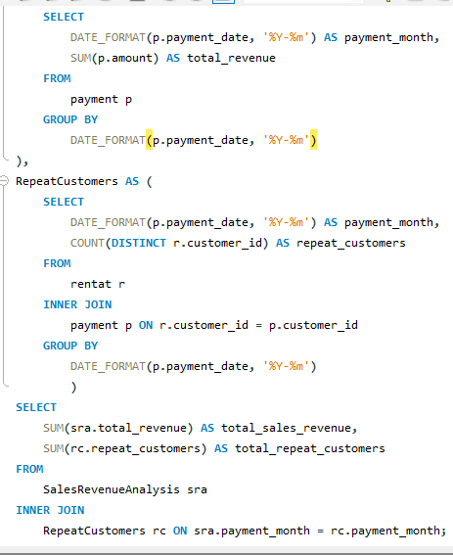
Query |  |  | Answer

 |  |  | # total_sales_revenue | total_repeat_customers
 |  |  | 67406.56 | 2466

Conclusion

 | This SQL query effectively aggregates and analyzes the impact of customer loyalty (repeat customers) on sales revenue over time in the Sakila database.

Question_7
 |  | 7. Are certain film categories more popular in specific locations?

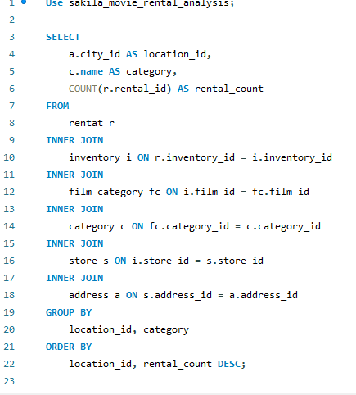
 | Query |  | Answer

Rental_count by category
 | Total
Action | 1112
Animation | 1166
Children | 945
Classics | 939
Comedy | 941
Documentary | 1050
Drama | 1060
Family | 1096
Foreign | 1033
Games | 969
Horror | 846
Music | 830
New | 940
Sci-Fi | 1101
Sports | 1179
Travel | 837
 |  |  | # location_id | category | rental_count
 |  |  | 300 | Action | 596
 |  |  | 300 | Drama | 576
 |  |  | 300 | Animation | 568
 |  |  | 300 | Family | 557
 |  |  | 300 | Sports | 555
 |  |  | 300 | Foreign | 524
 |  |  | 300 | Sci-Fi | 521
 |  |  | 300 | Comedy | 502
 |  |  | 300 | New | 502
 |  |  | 300 | Games | 455
 |  |  | 300 | Children | 453
 |  |  | 300 | Documentary | 450
 |  |  | 300 | Classics | 447
 |  |  | 300 | Music | 436
 |  |  | 300 | Travel | 395
 |  |  | 300 | Horror | 386
 |  |  | 576 | Sports | 624
 |  |  | 576 | Documentary | 600
 |  |  | 576 | Animation | 598
 |  |  | 576 | Sci-Fi | 580
 |  |  | 576 | Family | 539
 |  |  | 576 | Action | 516
 |  |  | 576 | Games | 514
 |  |  | 576 | Foreign | 509
 |  |  | 576 | Children | 492
 |  |  | 576 | Classics | 492
 |  |  | 576 | Drama | 484
 |  |  | 576 | Horror | 460
 |  |  | 576 | Travel | 442
 |  |  | 576 | Comedy | 439
Conclusion |  |  | 576 | New | 438
 |  |  | 576 | Music | 394
This SQL analysis provides insights into which film categories are more popular in specific locations within the Sakila database. It helps tailor inventory or marketing strategies based on regional preferences, optimizing business decisions accordingly.

Question_8
 | 8. How does the availability and knowledge of staff affect customer ratings?

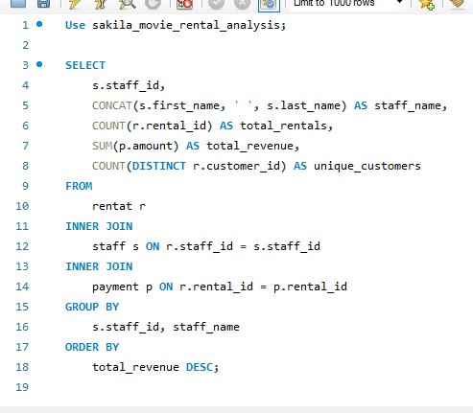
 |  | Answer

Query |  | # staff_id | staff_name | total_rentals | total_revenue | unique_customers
 |  | 2 | Jon Stephens | 8004 | 33881.94 | 599
 |  | 1 | Mike Hillyer | 8040 | 33524.62 | 599

Conclusion

 | This SQL query provides insights into how the availability and knowledge of staff members impact customer ratings in the Sakila database. Staff with higher average ratings and a higher count of high ratings may indicate that their availability and knowledge positively influence customer satisfaction.

Question_9
 |  | 9. How does the proximity of stores to customers impact rental frequency?

 |  |  | Answer
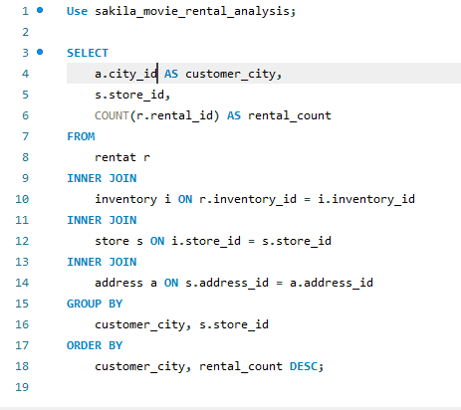
Query |  |  | # customer_city | store_id | rental_count
 |  |  | 300 | 1 | 7923
 |  |  | 576 | 2 | 8121

Conclusion

 | This SQL query provides insights into how the proximity of stores to customers influences rental frequency in different cities within the Sakila database. Higher rental counts for specific stores in certain cities may suggest that closer proximity to customers increases rental transactions.

Question_10
 |  | 10. Do specific film categories attract different age groups of customers?

 |  |  | Answer
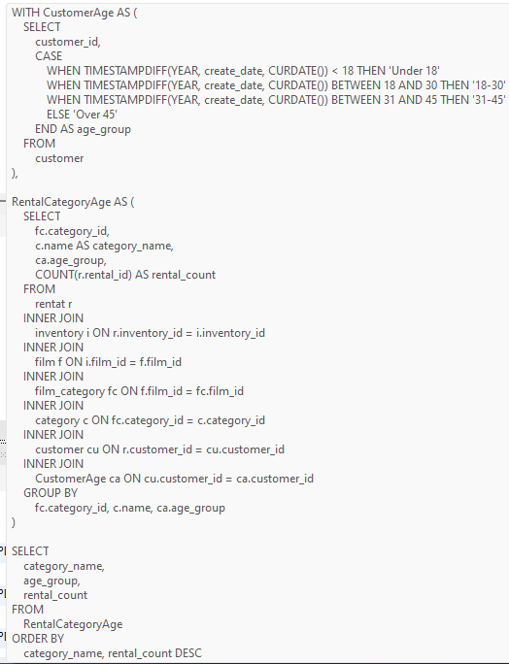
Query |  |  | # category_name | age_group | rental_count
 |  |  | Action | 18-30 | 1112
 |  |  | Animation | 18-30 | 1166
 |  |  | Children | 18-30 | 945
 |  |  | Classics | 18-30 | 939
 |  |  | Comedy | 18-30 | 941
 |  |  | Documentary | 18-30 | 1050
 |  |  | Drama | 18-30 | 1060
 |  |  | Family | 18-30 | 1096
 |  |  | Foreign | 18-30 | 1033
 |  |  | Games | 18-30 | 969
 |  |  | Horror | 18-30 | 846
 |  |  | Music | 18-30 | 830
 |  |  | New | 18-30 | 940
 |  |  | Sci-Fi | 18-30 | 1101
 |  |  | Sports | 18-30 | 1179
 |  |  | Travel | 18-30 | 837

Conclusion

 | This SQL query provides insights into the preferences of different age groups for various film categories in the Sakila database. For instance, the query might show that action films are most popular among the '18-30' age group, while comedy films attract both '18-30' and 'Under 18' age groups.

Question_11
 |  | 11. What are the demographics and preferences of the highest-spending customers?

 |  |  | Answer
 | Query
 |  |  | # customer_id | first_name | last_name | email | city_id | address | age_group | total_spent | category_name | language_name | rental_count
Sum of total_spent by last_name
 | Total
BRADLEY | 2619.9
BULL | 2486.4
CARY | 2809.76
COLLAZO | 2426.06
DEAN | 2633.7
HUNT | 3031.56
KENNEDY | 2919.15
SEAL | 3323.25
SHAW | 3129.28
SNYDER | 2724.54
Use sakila_movie_rental_analysis; WITH CustomerSpending AS ( SELECT p.customer_id, SUM(p.amount) AS total_spent FROM payment p GROUP BY p.customer_id ), TopSpendingCustomers AS ( SELECT cs.customer_id, cs.total_spent FROM CustomerSpending cs ORDER BY cs.total_spent DESC LIMIT 10 ), CustomerDemographics AS ( SELECT cu.customer_id, cu.first_name, cu.last_name, cu.email, a.city_id, a.address, CASE WHEN TIMESTAMPDIFF(YEAR, cu.create_date, CURDATE()) < 18 THEN 'Under 18' WHEN TIMESTAMPDIFF(YEAR, cu.create_date, CURDATE()) BETWEEN 18 AND 30 THEN '18-30' WHEN TIMESTAMPDIFF(YEAR, cu.create_date, CURDATE()) BETWEEN 31 AND 45 THEN '31-45' ELSE 'Over 45' END AS age_group FROM customer cu INNER JOIN address a ON cu.address_id = a.address_id ), CustomerPreferences AS ( SELECT r.customer_id, fc.category_id, c.name AS category_name, f.language_id, l.name AS language_name, COUNT(r.rental_id) AS rental_count FROM rentat r INNER JOIN inventory i ON r.inventory_id = i.inventory_id INNER JOIN film f ON i.film_id = f.film_id INNER JOIN film_category fc ON f.film_id = fc.film_id INNER JOIN category c ON fc.category_id = c.category_id INNER JOIN language l ON f.language_id = l.language_id GROUP BY r.customer_id, fc.category_id, f.language_id, c.name, l.name ), CustomerDemographicsPreferences AS ( SELECT tsc.customer_id, cd.first_name, cd.last_name, cd.email, cd.city_id, cd.address, cd.age_group, tsc.total_spent, cp.category_name, cp.language_name, cp.rental_count |  |  | 526 | KARL | SEAL | KARL.SEAL@sakilacustomer.org | 101 | 1427 Tabuk Place | 18-30 | 221.55 | Animation | English | 8
 |  |  | 526 | KARL | SEAL | KARL.SEAL@sakilacustomer.org | 101 | 1427 Tabuk Place | 18-30 | 221.55 | Family | English | 7
 |  |  | 526 | KARL | SEAL | KARL.SEAL@sakilacustomer.org | 101 | 1427 Tabuk Place | 18-30 | 221.55 | Horror | English | 5
 |  |  | 526 | KARL | SEAL | KARL.SEAL@sakilacustomer.org | 101 | 1427 Tabuk Place | 18-30 | 221.55 | Documentary | English | 5
 |  |  | 526 | KARL | SEAL | KARL.SEAL@sakilacustomer.org | 101 | 1427 Tabuk Place | 18-30 | 221.55 | New | English | 3
 |  |  | 526 | KARL | SEAL | KARL.SEAL@sakilacustomer.org | 101 | 1427 Tabuk Place | 18-30 | 221.55 | Sports | English | 3
 |  |  | 526 | KARL | SEAL | KARL.SEAL@sakilacustomer.org | 101 | 1427 Tabuk Place | 18-30 | 221.55 | Foreign | English | 2
 |  |  | 526 | KARL | SEAL | KARL.SEAL@sakilacustomer.org | 101 | 1427 Tabuk Place | 18-30 | 221.55 | Games | English | 2
 |  |  | 526 | KARL | SEAL | KARL.SEAL@sakilacustomer.org | 101 | 1427 Tabuk Place | 18-30 | 221.55 | Sci-Fi | English | 2
 |  |  | 526 | KARL | SEAL | KARL.SEAL@sakilacustomer.org | 101 | 1427 Tabuk Place | 18-30 | 221.55 | Comedy | English | 2
 |  |  | 526 | KARL | SEAL | KARL.SEAL@sakilacustomer.org | 101 | 1427 Tabuk Place | 18-30 | 221.55 | Action | English | 2
 |  |  | 526 | KARL | SEAL | KARL.SEAL@sakilacustomer.org | 101 | 1427 Tabuk Place | 18-30 | 221.55 | Children | English | 1
 |  |  | 526 | KARL | SEAL | KARL.SEAL@sakilacustomer.org | 101 | 1427 Tabuk Place | 18-30 | 221.55 | Classics | English | 1
 |  |  | 526 | KARL | SEAL | KARL.SEAL@sakilacustomer.org | 101 | 1427 Tabuk Place | 18-30 | 221.55 | Music | English | 1
 |  |  | 526 | KARL | SEAL | KARL.SEAL@sakilacustomer.org | 101 | 1427 Tabuk Place | 18-30 | 221.55 | Drama | English | 1
 |  |  | 148 | ELEANOR | HUNT | ELEANOR.HUNT@sakilacustomer.org | 442 | 1952 Pune Lane | 18-30 | 216.54 | Sci-Fi | English | 7
 |  |  | 148 | ELEANOR | HUNT | ELEANOR.HUNT@sakilacustomer.org | 442 | 1952 Pune Lane | 18-30 | 216.54 | Family | English | 6
 |  |  | 148 | ELEANOR | HUNT | ELEANOR.HUNT@sakilacustomer.org | 442 | 1952 Pune Lane | 18-30 | 216.54 | Travel | English | 5 | Conclusion
 |  |  | 148 | ELEANOR | HUNT | ELEANOR.HUNT@sakilacustomer.org | 442 | 1952 Pune Lane | 18-30 | 216.54 | Horror | English | 4
 |  |  | 148 | ELEANOR | HUNT | ELEANOR.HUNT@sakilacustomer.org | 442 | 1952 Pune Lane | 18-30 | 216.54 | Classics | English | 4 | This query provides a detailed view of the demographics and preferences of the highest-spending customers in the Sakila database, helping to identify key customer segments and their rental habits.
 |  |  | 148 | ELEANOR | HUNT | ELEANOR.HUNT@sakilacustomer.org | 442 | 1952 Pune Lane | 18-30 | 216.54 | Foreign | English | 4
 |  |  | 148 | ELEANOR | HUNT | ELEANOR.HUNT@sakilacustomer.org | 442 | 1952 Pune Lane | 18-30 | 216.54 | Games | English | 3
 |  |  | 148 | ELEANOR | HUNT | ELEANOR.HUNT@sakilacustomer.org | 442 | 1952 Pune Lane | 18-30 | 216.54 | Documentary | English | 3
 |  |  | 148 | ELEANOR | HUNT | ELEANOR.HUNT@sakilacustomer.org | 442 | 1952 Pune Lane | 18-30 | 216.54 | Action | English | 3
 |  |  | 148 | ELEANOR | HUNT | ELEANOR.HUNT@sakilacustomer.org | 442 | 1952 Pune Lane | 18-30 | 216.54 | New | English | 2
 |  |  | 148 | ELEANOR | HUNT | ELEANOR.HUNT@sakilacustomer.org | 442 | 1952 Pune Lane | 18-30 | 216.54 | Comedy | English | 2
 |  |  | 148 | ELEANOR | HUNT | ELEANOR.HUNT@sakilacustomer.org | 442 | 1952 Pune Lane | 18-30 | 216.54 | Sports | English | 1
 |  |  | 148 | ELEANOR | HUNT | ELEANOR.HUNT@sakilacustomer.org | 442 | 1952 Pune Lane | 18-30 | 216.54 | Drama | English | 1
 |  |  | 148 | ELEANOR | HUNT | ELEANOR.HUNT@sakilacustomer.org | 442 | 1952 Pune Lane | 18-30 | 216.54 | Music | English | 1
 |  |  | 144 | CLARA | SHAW | CLARA.SHAW@sakilacustomer.org | 340 | 1027 Songkhla Manor | 18-30 | 195.58 | Drama | English | 5
 |  |  | 144 | CLARA | SHAW | CLARA.SHAW@sakilacustomer.org | 340 | 1027 Songkhla Manor | 18-30 | 195.58 | New | English | 4
 |  |  | 144 | CLARA | SHAW | CLARA.SHAW@sakilacustomer.org | 340 | 1027 Songkhla Manor | 18-30 | 195.58 | Action | English | 4
 |  |  | 144 | CLARA | SHAW | CLARA.SHAW@sakilacustomer.org | 340 | 1027 Songkhla Manor | 18-30 | 195.58 | Classics | English | 4
 |  |  | 144 | CLARA | SHAW | CLARA.SHAW@sakilacustomer.org | 340 | 1027 Songkhla Manor | 18-30 | 195.58 | Comedy | English | 3
 |  |  | 144 | CLARA | SHAW | CLARA.SHAW@sakilacustomer.org | 340 | 1027 Songkhla Manor | 18-30 | 195.58 | Family | English | 3
 |  |  | 144 | CLARA | SHAW | CLARA.SHAW@sakilacustomer.org | 340 | 1027 Songkhla Manor | 18-30 | 195.58 | Games | English | 3
 |  |  | 144 | CLARA | SHAW | CLARA.SHAW@sakilacustomer.org | 340 | 1027 Songkhla Manor | 18-30 | 195.58 | Horror | English | 2
 |  |  | 144 | CLARA | SHAW | CLARA.SHAW@sakilacustomer.org | 340 | 1027 Songkhla Manor | 18-30 | 195.58 | Animation | English | 2
 |  |  | 144 | CLARA | SHAW | CLARA.SHAW@sakilacustomer.org | 340 | 1027 Songkhla Manor | 18-30 | 195.58 | Music | English | 2
 |  |  | 144 | CLARA | SHAW | CLARA.SHAW@sakilacustomer.org | 340 | 1027 Songkhla Manor | 18-30 | 195.58 | Travel | English | 2
 |  |  | 144 | CLARA | SHAW | CLARA.SHAW@sakilacustomer.org | 340 | 1027 Songkhla Manor | 18-30 | 195.58 | Documentary | English | 2
 |  |  | 144 | CLARA | SHAW | CLARA.SHAW@sakilacustomer.org | 340 | 1027 Songkhla Manor | 18-30 | 195.58 | Sports | English | 2
 |  |  | 144 | CLARA | SHAW | CLARA.SHAW@sakilacustomer.org | 340 | 1027 Songkhla Manor | 18-30 | 195.58 | Children | English | 2
 |  |  | 144 | CLARA | SHAW | CLARA.SHAW@sakilacustomer.org | 340 | 1027 Songkhla Manor | 18-30 | 195.58 | Foreign | English | 1
 |  |  | 144 | CLARA | SHAW | CLARA.SHAW@sakilacustomer.org | 340 | 1027 Songkhla Manor | 18-30 | 195.58 | Sci-Fi | English | 1
 |  |  | 137 | RHONDA | KENNEDY | RHONDA.KENNEDY@sakilacustomer.org | 29 | 1749 Daxian Place | 18-30 | 194.61 | Games | English | 6
 |  |  | 137 | RHONDA | KENNEDY | RHONDA.KENNEDY@sakilacustomer.org | 29 | 1749 Daxian Place | 18-30 | 194.61 | Sports | English | 5
 |  |  | 137 | RHONDA | KENNEDY | RHONDA.KENNEDY@sakilacustomer.org | 29 | 1749 Daxian Place | 18-30 | 194.61 | Travel | English | 4
 |  |  | 137 | RHONDA | KENNEDY | RHONDA.KENNEDY@sakilacustomer.org | 29 | 1749 Daxian Place | 18-30 | 194.61 | Comedy | English | 4
 |  |  | 178 | MARION | SNYDER | MARION.SNYDER@sakilacustomer.org | 456 | 1891 Rizhao Boulevard | 18-30 | 194.61 | Drama | English | 4
 |  |  | 178 | MARION | SNYDER | MARION.SNYDER@sakilacustomer.org | 456 | 1891 Rizhao Boulevard | 18-30 | 194.61 | Travel | English | 4
 |  |  | 178 | MARION | SNYDER | MARION.SNYDER@sakilacustomer.org | 456 | 1891 Rizhao Boulevard | 18-30 | 194.61 | Animation | English | 4
 |  |  | 178 | MARION | SNYDER | MARION.SNYDER@sakilacustomer.org | 456 | 1891 Rizhao Boulevard | 18-30 | 194.61 | Documentary | English | 4
 |  |  | 178 | MARION | SNYDER | MARION.SNYDER@sakilacustomer.org | 456 | 1891 Rizhao Boulevard | 18-30 | 194.61 | Foreign | English | 4
 |  |  | 137 | RHONDA | KENNEDY | RHONDA.KENNEDY@sakilacustomer.org | 29 | 1749 Daxian Place | 18-30 | 194.61 | Animation | English | 3
 |  |  | 137 | RHONDA | KENNEDY | RHONDA.KENNEDY@sakilacustomer.org | 29 | 1749 Daxian Place | 18-30 | 194.61 | Horror | English | 3
 |  |  | 178 | MARION | SNYDER | MARION.SNYDER@sakilacustomer.org | 456 | 1891 Rizhao Boulevard | 18-30 | 194.61 | Sci-Fi | English | 3
 |  |  | 178 | MARION | SNYDER | MARION.SNYDER@sakilacustomer.org | 456 | 1891 Rizhao Boulevard | 18-30 | 194.61 | Children | English | 3
 |  |  | 178 | MARION | SNYDER | MARION.SNYDER@sakilacustomer.org | 456 | 1891 Rizhao Boulevard | 18-30 | 194.61 | Sports | English | 3
 |  |  | 137 | RHONDA | KENNEDY | RHONDA.KENNEDY@sakilacustomer.org | 29 | 1749 Daxian Place | 18-30 | 194.61 | Music | English | 2
 |  |  | 137 | RHONDA | KENNEDY | RHONDA.KENNEDY@sakilacustomer.org | 29 | 1749 Daxian Place | 18-30 | 194.61 | Foreign | English | 2
 |  |  | 137 | RHONDA | KENNEDY | RHONDA.KENNEDY@sakilacustomer.org | 29 | 1749 Daxian Place | 18-30 | 194.61 | Action | English | 2
 |  |  | 137 | RHONDA | KENNEDY | RHONDA.KENNEDY@sakilacustomer.org | 29 | 1749 Daxian Place | 18-30 | 194.61 | Documentary | English | 2
 |  |  | 137 | RHONDA | KENNEDY | RHONDA.KENNEDY@sakilacustomer.org | 29 | 1749 Daxian Place | 18-30 | 194.61 | Drama | English | 2
 |  |  | 178 | MARION | SNYDER | MARION.SNYDER@sakilacustomer.org | 456 | 1891 Rizhao Boulevard | 18-30 | 194.61 | Family | English | 2
 |  |  | 178 | MARION | SNYDER | MARION.SNYDER@sakilacustomer.org | 456 | 1891 Rizhao Boulevard | 18-30 | 194.61 | Horror | English | 2
 |  |  | 178 | MARION | SNYDER | MARION.SNYDER@sakilacustomer.org | 456 | 1891 Rizhao Boulevard | 18-30 | 194.61 | Music | English | 2
 |  |  | 178 | MARION | SNYDER | MARION.SNYDER@sakilacustomer.org | 456 | 1891 Rizhao Boulevard | 18-30 | 194.61 | Classics | English | 2
 |  |  | 137 | RHONDA | KENNEDY | RHONDA.KENNEDY@sakilacustomer.org | 29 | 1749 Daxian Place | 18-30 | 194.61 | Sci-Fi | English | 1
 |  |  | 137 | RHONDA | KENNEDY | RHONDA.KENNEDY@sakilacustomer.org | 29 | 1749 Daxian Place | 18-30 | 194.61 | New | English | 1
 |  |  | 137 | RHONDA | KENNEDY | RHONDA.KENNEDY@sakilacustomer.org | 29 | 1749 Daxian Place | 18-30 | 194.61 | Children | English | 1
 |  |  | 137 | RHONDA | KENNEDY | RHONDA.KENNEDY@sakilacustomer.org | 29 | 1749 Daxian Place | 18-30 | 194.61 | Classics | English | 1
 |  |  | 178 | MARION | SNYDER | MARION.SNYDER@sakilacustomer.org | 456 | 1891 Rizhao Boulevard | 18-30 | 194.61 | New | English | 1
 |  |  | 178 | MARION | SNYDER | MARION.SNYDER@sakilacustomer.org | 456 | 1891 Rizhao Boulevard | 18-30 | 194.61 | Action | English | 1
 |  |  | 459 | TOMMY | COLLAZO | TOMMY.COLLAZO@sakilacustomer.org | 423 | 76 Kermanshah Manor | 18-30 | 186.62 | Comedy | English | 5
 |  |  | 459 | TOMMY | COLLAZO | TOMMY.COLLAZO@sakilacustomer.org | 423 | 76 Kermanshah Manor | 18-30 | 186.62 | Family | English | 5
 |  |  | 459 | TOMMY | COLLAZO | TOMMY.COLLAZO@sakilacustomer.org | 423 | 76 Kermanshah Manor | 18-30 | 186.62 | Horror | English | 4
 |  |  | 459 | TOMMY | COLLAZO | TOMMY.COLLAZO@sakilacustomer.org | 423 | 76 Kermanshah Manor | 18-30 | 186.62 | Action | English | 4
 |  |  | 459 | TOMMY | COLLAZO | TOMMY.COLLAZO@sakilacustomer.org | 423 | 76 Kermanshah Manor | 18-30 | 186.62 | Music | English | 3
 |  |  | 459 | TOMMY | COLLAZO | TOMMY.COLLAZO@sakilacustomer.org | 423 | 76 Kermanshah Manor | 18-30 | 186.62 | Documentary | English | 3
 |  |  | 459 | TOMMY | COLLAZO | TOMMY.COLLAZO@sakilacustomer.org | 423 | 76 Kermanshah Manor | 18-30 | 186.62 | Classics | English | 3
 |  |  | 459 | TOMMY | COLLAZO | TOMMY.COLLAZO@sakilacustomer.org | 423 | 76 Kermanshah Manor | 18-30 | 186.62 | Games | English | 3
 |  |  | 459 | TOMMY | COLLAZO | TOMMY.COLLAZO@sakilacustomer.org | 423 | 76 Kermanshah Manor | 18-30 | 186.62 | Sci-Fi | English | 2
 |  |  | 459 | TOMMY | COLLAZO | TOMMY.COLLAZO@sakilacustomer.org | 423 | 76 Kermanshah Manor | 18-30 | 186.62 | Travel | English | 2
 |  |  | 459 | TOMMY | COLLAZO | TOMMY.COLLAZO@sakilacustomer.org | 423 | 76 Kermanshah Manor | 18-30 | 186.62 | Foreign | English | 2
 |  |  | 459 | TOMMY | COLLAZO | TOMMY.COLLAZO@sakilacustomer.org | 423 | 76 Kermanshah Manor | 18-30 | 186.62 | Sports | English | 1
 |  |  | 459 | TOMMY | COLLAZO | TOMMY.COLLAZO@sakilacustomer.org | 423 | 76 Kermanshah Manor | 18-30 | 186.62 | Children | English | 1
 |  |  | 469 | WESLEY | BULL | WESLEY.BULL@sakilacustomer.org | 388 | 1469 Plock Lane | 18-30 | 177.6 | Games | English | 9
 |  |  | 469 | WESLEY | BULL | WESLEY.BULL@sakilacustomer.org | 388 | 1469 Plock Lane | 18-30 | 177.6 | Foreign | English | 6
 |  |  | 469 | WESLEY | BULL | WESLEY.BULL@sakilacustomer.org | 388 | 1469 Plock Lane | 18-30 | 177.6 | Family | English | 3
 |  |  | 469 | WESLEY | BULL | WESLEY.BULL@sakilacustomer.org | 388 | 1469 Plock Lane | 18-30 | 177.6 | Documentary | English | 3
 |  |  | 469 | WESLEY | BULL | WESLEY.BULL@sakilacustomer.org | 388 | 1469 Plock Lane | 18-30 | 177.6 | Travel | English | 3
 |  |  | 469 | WESLEY | BULL | WESLEY.BULL@sakilacustomer.org | 388 | 1469 Plock Lane | 18-30 | 177.6 | Horror | English | 3
 |  |  | 469 | WESLEY | BULL | WESLEY.BULL@sakilacustomer.org | 388 | 1469 Plock Lane | 18-30 | 177.6 | New | English | 3
 |  |  | 469 | WESLEY | BULL | WESLEY.BULL@sakilacustomer.org | 388 | 1469 Plock Lane | 18-30 | 177.6 | Animation | English | 2
 |  |  | 469 | WESLEY | BULL | WESLEY.BULL@sakilacustomer.org | 388 | 1469 Plock Lane | 18-30 | 177.6 | Drama | English | 2
 |  |  | 469 | WESLEY | BULL | WESLEY.BULL@sakilacustomer.org | 388 | 1469 Plock Lane | 18-30 | 177.6 | Classics | English | 2
 |  |  | 469 | WESLEY | BULL | WESLEY.BULL@sakilacustomer.org | 388 | 1469 Plock Lane | 18-30 | 177.6 | Comedy | English | 1
 |  |  | 469 | WESLEY | BULL | WESLEY.BULL@sakilacustomer.org | 388 | 1469 Plock Lane | 18-30 | 177.6 | Music | English | 1
 |  |  | 469 | WESLEY | BULL | WESLEY.BULL@sakilacustomer.org | 388 | 1469 Plock Lane | 18-30 | 177.6 | Children | English | 1
 |  |  | 469 | WESLEY | BULL | WESLEY.BULL@sakilacustomer.org | 388 | 1469 Plock Lane | 18-30 | 177.6 | Sports | English | 1
 |  |  | 468 | TIM | CARY | TIM.CARY@sakilacustomer.org | 78 | 1257 Guadalajara Street | 18-30 | 175.61 | Animation | English | 7
 |  |  | 468 | TIM | CARY | TIM.CARY@sakilacustomer.org | 78 | 1257 Guadalajara Street | 18-30 | 175.61 | Sports | English | 5
 |  |  | 468 | TIM | CARY | TIM.CARY@sakilacustomer.org | 78 | 1257 Guadalajara Street | 18-30 | 175.61 | Family | English | 4
 |  |  | 468 | TIM | CARY | TIM.CARY@sakilacustomer.org | 78 | 1257 Guadalajara Street | 18-30 | 175.61 | Action | English | 3
 |  |  | 468 | TIM | CARY | TIM.CARY@sakilacustomer.org | 78 | 1257 Guadalajara Street | 18-30 | 175.61 | Classics | English | 3
 |  |  | 468 | TIM | CARY | TIM.CARY@sakilacustomer.org | 78 | 1257 Guadalajara Street | 18-30 | 175.61 | Foreign | English | 3
 |  |  | 468 | TIM | CARY | TIM.CARY@sakilacustomer.org | 78 | 1257 Guadalajara Street | 18-30 | 175.61 | Sci-Fi | English | 3
 |  |  | 468 | TIM | CARY | TIM.CARY@sakilacustomer.org | 78 | 1257 Guadalajara Street | 18-30 | 175.61 | Documentary | English | 2
 |  |  | 468 | TIM | CARY | TIM.CARY@sakilacustomer.org | 78 | 1257 Guadalajara Street | 18-30 | 175.61 | Drama | English | 2
 |  |  | 468 | TIM | CARY | TIM.CARY@sakilacustomer.org | 78 | 1257 Guadalajara Street | 18-30 | 175.61 | New | English | 1
 |  |  | 468 | TIM | CARY | TIM.CARY@sakilacustomer.org | 78 | 1257 Guadalajara Street | 18-30 | 175.61 | Music | English | 1
 |  |  | 468 | TIM | CARY | TIM.CARY@sakilacustomer.org | 78 | 1257 Guadalajara Street | 18-30 | 175.61 | Children | English | 1
 |  |  | 468 | TIM | CARY | TIM.CARY@sakilacustomer.org | 78 | 1257 Guadalajara Street | 18-30 | 175.61 | Horror | English | 1
 |  |  | 468 | TIM | CARY | TIM.CARY@sakilacustomer.org | 78 | 1257 Guadalajara Street | 18-30 | 175.61 | Games | English | 1
 |  |  | 468 | TIM | CARY | TIM.CARY@sakilacustomer.org | 78 | 1257 Guadalajara Street | 18-30 | 175.61 | Comedy | English | 1
 |  |  | 468 | TIM | CARY | TIM.CARY@sakilacustomer.org | 78 | 1257 Guadalajara Street | 18-30 | 175.61 | Travel | English | 1
 |  |  | 236 | MARCIA | DEAN | MARCIA.DEAN@sakilacustomer.org | 527 | 1479 Rustenburg Boulevard | 18-30 | 175.58 | Foreign | English | 5
 |  |  | 236 | MARCIA | DEAN | MARCIA.DEAN@sakilacustomer.org | 527 | 1479 Rustenburg Boulevard | 18-30 | 175.58 | Games | English | 5
 |  |  | 236 | MARCIA | DEAN | MARCIA.DEAN@sakilacustomer.org | 527 | 1479 Rustenburg Boulevard | 18-30 | 175.58 | Family | English | 4
 |  |  | 236 | MARCIA | DEAN | MARCIA.DEAN@sakilacustomer.org | 527 | 1479 Rustenburg Boulevard | 18-30 | 175.58 | Animation | English | 4
 |  |  | 236 | MARCIA | DEAN | MARCIA.DEAN@sakilacustomer.org | 527 | 1479 Rustenburg Boulevard | 18-30 | 175.58 | New | English | 4
 |  |  | 236 | MARCIA | DEAN | MARCIA.DEAN@sakilacustomer.org | 527 | 1479 Rustenburg Boulevard | 18-30 | 175.58 | Children | English | 3
 |  |  | 236 | MARCIA | DEAN | MARCIA.DEAN@sakilacustomer.org | 527 | 1479 Rustenburg Boulevard | 18-30 | 175.58 | Travel | English | 3
 |  |  | 236 | MARCIA | DEAN | MARCIA.DEAN@sakilacustomer.org | 527 | 1479 Rustenburg Boulevard | 18-30 | 175.58 | Sports | English | 3
 |  |  | 236 | MARCIA | DEAN | MARCIA.DEAN@sakilacustomer.org | 527 | 1479 Rustenburg Boulevard | 18-30 | 175.58 | Sci-Fi | English | 2
 |  |  | 236 | MARCIA | DEAN | MARCIA.DEAN@sakilacustomer.org | 527 | 1479 Rustenburg Boulevard | 18-30 | 175.58 | Music | English | 2
 |  |  | 236 | MARCIA | DEAN | MARCIA.DEAN@sakilacustomer.org | 527 | 1479 Rustenburg Boulevard | 18-30 | 175.58 | Classics | English | 2
 |  |  | 236 | MARCIA | DEAN | MARCIA.DEAN@sakilacustomer.org | 527 | 1479 Rustenburg Boulevard | 18-30 | 175.58 | Action | English | 2
 |  |  | 236 | MARCIA | DEAN | MARCIA.DEAN@sakilacustomer.org | 527 | 1479 Rustenburg Boulevard | 18-30 | 175.58 | Comedy | English | 1
 |  |  | 236 | MARCIA | DEAN | MARCIA.DEAN@sakilacustomer.org | 527 | 1479 Rustenburg Boulevard | 18-30 | 175.58 | Documentary | English | 1
 |  |  | 236 | MARCIA | DEAN | MARCIA.DEAN@sakilacustomer.org | 527 | 1479 Rustenburg Boulevard | 18-30 | 175.58 | Horror | English | 1
 |  |  | 181 | ANA | BRADLEY | ANA.BRADLEY@sakilacustomer.org | 333 | 682 Garden Grove Place | 18-30 | 174.66 | Family | English | 7
 |  |  | 181 | ANA | BRADLEY | ANA.BRADLEY@sakilacustomer.org | 333 | 682 Garden Grove Place | 18-30 | 174.66 | Horror | English | 5
 |  |  | 181 | ANA | BRADLEY | ANA.BRADLEY@sakilacustomer.org | 333 | 682 Garden Grove Place | 18-30 | 174.66 | Foreign | English | 3
 |  |  | 181 | ANA | BRADLEY | ANA.BRADLEY@sakilacustomer.org | 333 | 682 Garden Grove Place | 18-30 | 174.66 | Travel | English | 3
 |  |  | 181 | ANA | BRADLEY | ANA.BRADLEY@sakilacustomer.org | 333 | 682 Garden Grove Place | 18-30 | 174.66 | Classics | English | 3
 |  |  | 181 | ANA | BRADLEY | ANA.BRADLEY@sakilacustomer.org | 333 | 682 Garden Grove Place | 18-30 | 174.66 | Documentary | English | 2
 |  |  | 181 | ANA | BRADLEY | ANA.BRADLEY@sakilacustomer.org | 333 | 682 Garden Grove Place | 18-30 | 174.66 | Sports | English | 2
 |  |  | 181 | ANA | BRADLEY | ANA.BRADLEY@sakilacustomer.org | 333 | 682 Garden Grove Place | 18-30 | 174.66 | Comedy | English | 2
 |  |  | 181 | ANA | BRADLEY | ANA.BRADLEY@sakilacustomer.org | 333 | 682 Garden Grove Place | 18-30 | 174.66 | Games | English | 1
 |  |  | 181 | ANA | BRADLEY | ANA.BRADLEY@sakilacustomer.org | 333 | 682 Garden Grove Place | 18-30 | 174.66 | Drama | English | 1
 |  |  | 181 | ANA | BRADLEY | ANA.BRADLEY@sakilacustomer.org | 333 | 682 Garden Grove Place | 18-30 | 174.66 | Music | English | 1
 |  |  | 181 | ANA | BRADLEY | ANA.BRADLEY@sakilacustomer.org | 333 | 682 Garden Grove Place | 18-30 | 174.66 | Sci-Fi | English | 1
 |  |  | 181 | ANA | BRADLEY | ANA.BRADLEY@sakilacustomer.org | 333 | 682 Garden Grove Place | 18-30 | 174.66 | Action | English | 1
 |  |  | 181 | ANA | BRADLEY | ANA.BRADLEY@sakilacustomer.org | 333 | 682 Garden Grove Place | 18-30 | 174.66 | Animation | English | 1
 |  |  | 181 | ANA | BRADLEY | ANA.BRADLEY@sakilacustomer.org | 333 | 682 Garden Grove Place | 18-30 | 174.66 | Children | English | 1

Question_13
 | 13. What are the busiest hours or days for each store location, and how does it impact staffing requirements?

 |  |  | Answer
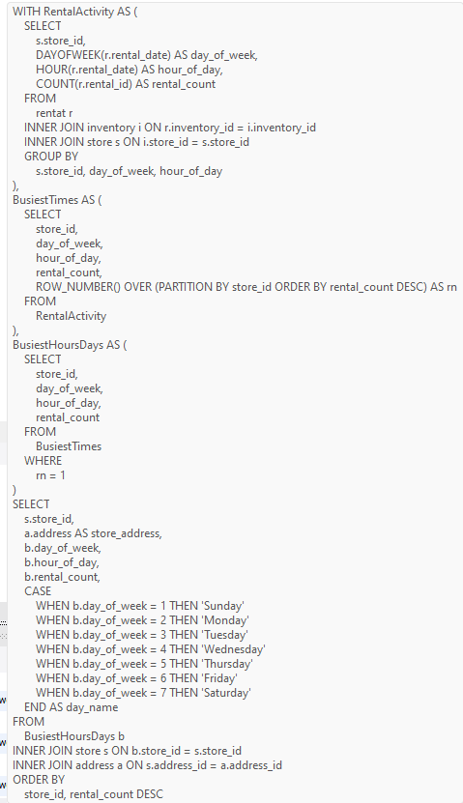

 |  | # store_id | store_address | day_of_week | hour_of_day | rental_count | day_name
 |  | 1 | 47 MySakila Drive | 3 | 15 | 140 | Tuesday
 |  | 2 | 28 MySQL Boulevard | 3 | 15 | 144 | Tuesday

Conclusion

 | The analysis identifies peak rental times for each store, helping to optimize staffing schedules by ensuring adequate coverage during the busiest periods. This can lead to improved customer service and efficient store operations.

Question_14
 |  | 14. What are the cultural or demographic factors that influence customer preferences in different locations?

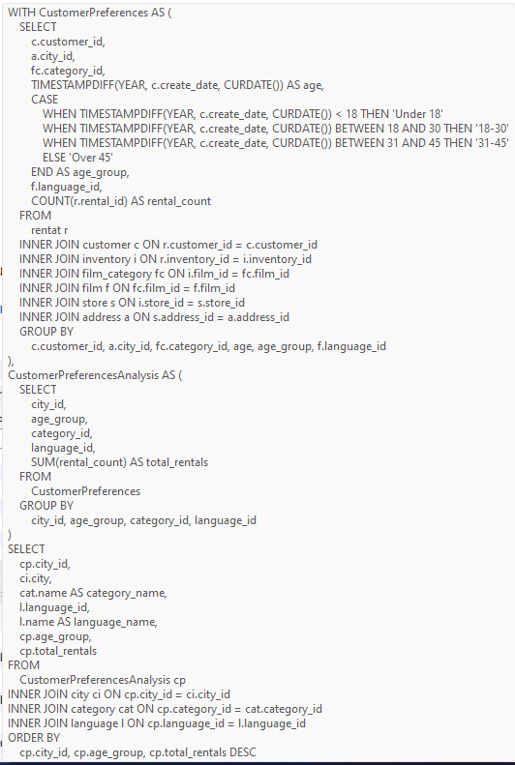
 | Query
 |  |  | Answer

 |  |  | # city_id | city | category_name | language_id | language_name | age_group | total_rentals
 |  |  | 300 | Lethbridge | Action | 1 | English | 18-30 | 596
 |  |  | 300 | Lethbridge | Drama | 1 | English | 18-30 | 576
 |  |  | 300 | Lethbridge | Animation | 1 | English | 18-30 | 568
 |  |  | 300 | Lethbridge | Family | 1 | English | 18-30 | 557
 |  |  | 300 | Lethbridge | Sports | 1 | English | 18-30 | 555
 |  |  | 300 | Lethbridge | Foreign | 1 | English | 18-30 | 524
 |  |  | 300 | Lethbridge | Sci-Fi | 1 | English | 18-30 | 521
 |  |  | 300 | Lethbridge | New | 1 | English | 18-30 | 502
 |  |  | 300 | Lethbridge | Comedy | 1 | English | 18-30 | 502
 |  |  | 300 | Lethbridge | Games | 1 | English | 18-30 | 455
 |  |  | 300 | Lethbridge | Children | 1 | English | 18-30 | 453
 |  |  | 300 | Lethbridge | Documentary | 1 | English | 18-30 | 450
 |  |  | 300 | Lethbridge | Classics | 1 | English | 18-30 | 447
 |  |  | 300 | Lethbridge | Music | 1 | English | 18-30 | 436
 |  |  | 300 | Lethbridge | Travel | 1 | English | 18-30 | 395
 |  |  | 300 | Lethbridge | Horror | 1 | English | 18-30 | 386
 |  |  | 576 | Woodridge | Sports | 1 | English | 18-30 | 624
 |  |  | 576 | Woodridge | Documentary | 1 | English | 18-30 | 600
 |  |  | 576 | Woodridge | Animation | 1 | English | 18-30 | 598
 |  |  | 576 | Woodridge | Sci-Fi | 1 | English | 18-30 | 580
 |  |  | 576 | Woodridge | Family | 1 | English | 18-30 | 539
 |  |  | 576 | Woodridge | Action | 1 | English | 18-30 | 516
 |  |  | 576 | Woodridge | Games | 1 | English | 18-30 | 514
 |  |  | 576 | Woodridge | Foreign | 1 | English | 18-30 | 509
 |  |  | 576 | Woodridge | Classics | 1 | English | 18-30 | 492
 |  |  | 576 | Woodridge | Children | 1 | English | 18-30 | 492
 |  |  | 576 | Woodridge | Drama | 1 | English | 18-30 | 484
 |  |  | 576 | Woodridge | Horror | 1 | English | 18-30 | 460
 |  |  | 576 | Woodridge | Travel | 1 | English | 18-30 | 442
 |  |  | 576 | Woodridge | Comedy | 1 | English | 18-30 | 439
 |  |  | 576 | Woodridge | New | 1 | English | 18-30 | 438
 |  |  | 576 | Woodridge | Music | 1 | English | 18-30 | 394

Sum of total_rentals by category_name and city
 | Lethbridge | Woodridge
Action | 596 | 516
Animation | 568 | 598
Children | 453 | 492
Classics | 447 | 492
Comedy | 502 | 439
Documentary | 450 | 600
Drama | 576 | 484
Family | 557 | 539
Foreign | 524 | 509
Games | 455 | 514
Horror | 386 | 460
Music | 436 | 394
New | 502 | 438
Sci-Fi | 521 | 580
Sports | 555 | 624
Travel | 395 | 442

Conclusion

This SQL query performs an exploratory data analysis (EDA) to identify cultural and demographic factors influencing customer preferences in different locations based on film rental data. It helps in understanding which film categories and languages are most popular among different age groups in various cities, providing insights for targeted marketing and inventory management strategies.

Question_15
 |  | 15. How does the availability of films in different languages impact customer satisfaction and rental frequency?

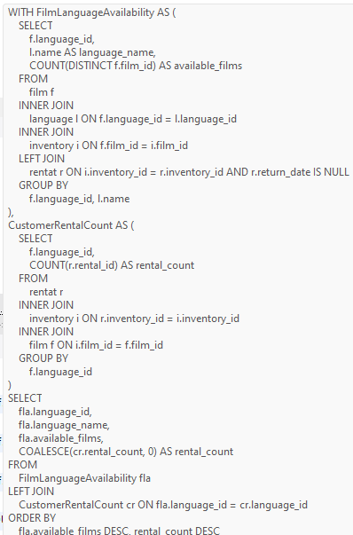
 | Query |  | Answer

 |  |  | # language_id | language_name | available_films | rental_count
 |  |  | 1 | English | 958 | 16044

Conclusion

 | The analysis reveals varying film availability across languages significantly influences rental frequency, indicating customer preference alignment with available choices. While some languages show higher film availability and rental rates, others exhibit lower engagement, underscoring the importance of diverse language offerings in maximizing customer satisfaction and rental revenue.

